University
Primary Category Comparison (July 2020) |  |  | Primary Keywords | Est. Range | Difficulty | Organic CTR | Admit Rank
[college admissions consulting] | Rank | Ranking URL | college admissions consulting | 0-10 | 27 | 53% | -
Admit Advantage | - | - | college application resume editing | - | 38 | 88% | -
Accepted | 20 | /college/services/collegeservices | college application review services | 0-10 | 25 | 83% | -
Stratus Admissions Counseling | - | - | college admissions services | 0-10 | 16 | 54% | -
Solomon Admissions | 4 | Homepage | college application strategy consulting | - | 23 | 83% | 37
Clear Admit | - | - | college admissions essay editing | 11-50 | 30 | 88% | -
Stacy Blackman | - | - | college admissions interview prep | - | 38 | 55% | -
mbaMission | - | - | college personal statement review | - | 29 | 88% | -
MBA Exchange | - | - | choosing between multiple college acceptances | - | 26 | 64% | -
 |  |  | college recommender selection | - | 30 | 100% | 3
Category Observations |  |  | college selection coaching | - | 34 | 64% | -
The College/University category is probably the weakest one for Admit currently, starting with a basic measure that the hub page /college is not ranking within the top 50 of Google results. There are many reasons for this, among which include: more competition from direct and indirect competitors (i.e. more pages that Google could possibly see as more authoritative/relevant to the college space than Admit), and no central focus on "college admissions" within on-site signals (i.e. "undergraduate" is used throughout title tags while "university" is in page copy). In general, "college admissions" is more broadly used than "university" or "undergraduate" admissions. As a starting point, updated metadata is now centered around "college" variations, and subsequent copy revisions should be centered around it as well (but the other variations can always be used occasionally). |  |  | hourly college admissions consulting | - | 19 | 53% | -
 |  |  | college admissions seminars | - | 18 | 93% | 12

 |  |  | Other Keywords | Relevancy | Est. Range
 |  |  | college admissions scandal | 5 | 11501-30300
 |  |  | aunt becky | 5 | 11501-30300
 |  |  | college resume | 5 | 2901-4300
 |  |  | college admissions | 5 | 1701-2900
 |  |  | college resume template | 5 | 851-1700
 |  |  | college admissions assistance | 5 | 851-1700
 |  |  | college interview questions | 5 | 851-1700
A few other indirect competitors fighting for visibility in this category include Spark Admissions, Ivy Coach, Veritas Prep, Shemmassian Consulting, and Admitify. |  |  | college admissions calculator | 5 | 851-1700
 |  |  | high school resume for college | 5 | 201-500
 |  |  | college admission | 5 | 201-500
Apart from the traditional organic search results, the most common SERP feature was Search Ads, this is a highly competitive space with ads appearing at the top and bottom of SERPs. Next most common was the "People Also Ask" feature, which can be a source of inspiration for content on your site. The most diverse set of results was for "interview prep." Page 1 of SERPs included both a Featured Snippet at the top, followed by a People Also Ask and Video Carousel shortly below that (screenshots from each down below). On the 2nd page, the first four results were all video. This is a strong indication that people engage with video content when looking up tips/info on college interviews. |  |  | common college interview questions | 5 | 201-500
 |  |  | college interview tips | 5 | 201-500
 |  |  | solomon admissions consulting | 5 | 201-500
 |  |  | college application resume | 5 | 201-500
 |  |  | college admissions scandal list | 5 | 201-500
 |  |  | college admissions counselor | 5 | 201-500
 |  |  | resume for college application | 5 | 201-500
 |  |  | ivy coach | 5 | 101-200

 |  |  | college admissions in the united states | 5 | 101-200
 |  |  | college resume format | 5 | 101-200
 |  |  | college interview outfit | 5 | 101-200
 |  |  | college admissions essay | 5 | 101-200
 |  |  | college admissions assistance scam | 5 | 101-200
 |  |  | college student resume template | 5 | 101-200
 |  |  | college admissions consultant | 5 | 101-200
 |  |  | college consultants | 5 | 101-200
 |  |  | college application resume examples for high school seniors | 5 | 101-200
 |  |  | resume for college | 5 | 101-200
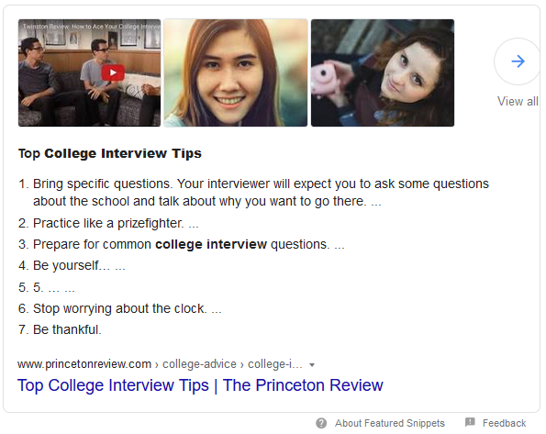
 |  |  | how to invite recommenders on common app | 5 | 101-200
 |  |  | college application resume template | 5 | 101-200
 |  |  | college interview | 5 | 101-200
 |  |  | common app counselor recommendation | 5 | 101-200
 |  |  | college admissions process | 5 | 51-100
 |  |  | how to write a resume for college | 5 | 51-100
 |  |  | how many recommendation letters for common app | 5 | 51-100
 |  |  | ivy league consulting | 5 | 51-100
 |  |  | college admissions requirements | 5 | 51-100
 |  |  | college entrance interview questions | 5 | 51-100
 |  |  | how to write a common app recommendation | 5 | 51-100
 |  |  | what to bring to a college interview | 5 | 51-100
 |  |  | bad college interview | 5 | 51-100
 |  |  | princeton phone interview | 5 | 51-100
 |  |  | college admissions essay examples | 5 | 51-100
 |  |  | college application resume examples | 5 | 51-100
 |  |  | resume tips for college students | 5 | 51-100
 |  |  | activities resume for college | 5 | 51-100
 |  |  | college resume template google docs | 5 | 11-50
 |  |  | college resume builder | 5 | 11-50
 |  |  | college admissions statistics | 5 | 11-50
 |  |  | solomon admissions consulting cost | 5 | 11-50
 |  |  | solomon admissions pricing | 5 | 11-50
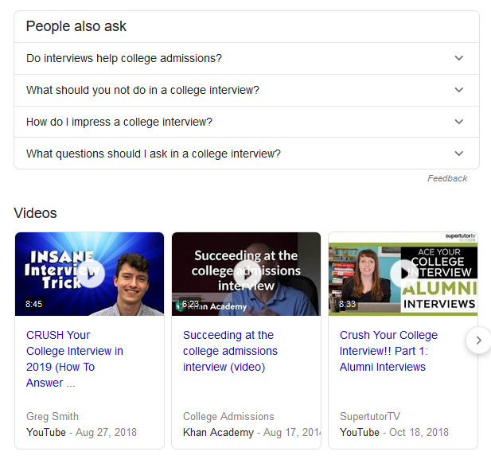
 |  |  | college application resume template free | 5 | 11-50
 |  |  | when are letters of recommendation due | 5 | 11-50
 |  |  | does naviance automatically send letters of recommendation | 5 | 11-50
 |  |  | college admissions process flowchart | 5 | 11-50
 |  |  | trends in college admissions | 5 | 11-50
 |  |  | college admissions consultant cost | 5 | 11-50
 |  |  | sample college interview questions | 5 | 11-50
 |  |  | how do letters of recommendation work on the common app | 5 | 11-50
 |  |  | naviance common app teacher recommendation | 5 | 11-50
 |  |  | common app transfer recommendation letters | 5 | 11-50
 |  |  | letter of recommendation requirements | 5 | 11-50
 |  |  | university and college admission | 5 | 11-50
 |  |  | admission to college | 5 | 11-50
 |  |  | college admissions reddit | 5 | 11-50
 |  |  | what is most important in college admission | 5 | 11-50
 |  |  | college admissions tips | 5 | 11-50
 |  |  | today show college admissions | 5 | 11-50
 |  |  | college admissions consultants reviews | 5 | 11-50
 |  |  | college admissions consultants | 5 | 11-50
 |  |  | admission consulting | 5 | 11-50
 |  |  | admissions consultant | 5 | 11-50
 |  |  | resume for college application template | 5 | 11-50
 |  |  | college application resume templates | 5 | 11-50
 |  |  | resume for college application sample | 5 | 11-50
 |  |  | community service resume for college | 5 | 11-50
 |  |  | college interview resume | 5 | 11-50
 |  |  | college resume for high school seniors | 5 | 11-50
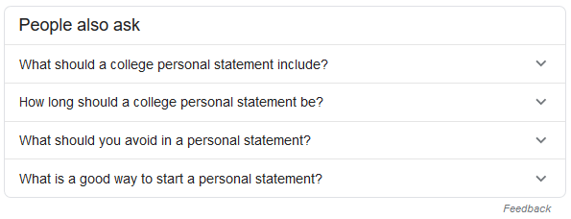
 |  |  | how long should a resume be for a college student | 5 | 11-50
 |  |  | things to put on college resume | 5 | 11-50
 |  |  | college preparation services | 5 | 11-50
 |  |  | college admission essay editing services | 5 | 11-50
 |  |  | best college essay editing service | 5 | 11-50
 |  |  | best admission essay editing service | 5 | 11-50
 |  |  | college admissions interview questions | 5 | 11-50
 |  |  | college admissions interview | 5 | 11-50
 |  |  | college admission interview tips | 5 | 11-50
 |  |  | college interview questions and answers | 5 | 11-50
 |  |  | college interview skills | 5 | 11-50
 |  |  | alumni interview questions | 5 | 11-50
 |  |  | how to nail a college interview | 5 | 11-50
 |  |  | unique questions to ask in a college interview | 5 | 11-50
 |  |  | questions to ask at a college visit | 5 | 11-50
 |  |  | student statement | 5 | 11-50
 |  |  | submitting extra letters of recommendation | 5 | 11-50
 |  |  | how do recommenders submit on common app | 5 | 11-50
 |  |  | letter of recommendation not submitted | 5 | 11-50
 |  |  | can you use the same letter of recommendation for multiple colleges common app | 5 | 11-50
 |  |  | do recommendation letters have to be submitted by deadline | 5 | 11-50
 |  |  | number of college applications per year | 5 | 11-50
 |  |  | college application resume example | 5 | 11-50
 |  |  | college admission definition | 5 | 11-50
 |  |  | college admissions officer | 5 | 11-50
 |  |  | college admissions scam | 5 | 11-50
 |  |  | inside college admissions | 5 | 11-50
 |  |  | high school resume for college template | 5 | 11-50
 |  |  | college admission resume examples | 5 | 11-50
 |  |  | college resume sample | 5 | 11-50
 |  |  | college essay editing service | 5 | 11-50
 |  |  | college phone interview questions | 5 | 11-50
 |  |  | how do teachers submit recommendations on common app | 5 | 11-50
 |  |  | how to send a letter of recommendation to a college | 5 | 11-50
 |  |  | college admissions definition | 5 | 0-10
 |  |  | college admissions news | 5 | 0-10
 |  |  | college admissions blog | 5 | 0-10
 |  |  | college admissions resume | 5 | 0-10
 |  |  | how to write a high school resume for college applications | 5 | 0-10
 |  |  | sample college application resume | 5 | 0-10
 |  |  | resume for school application | 5 | 0-10
 |  |  | admissions resume | 5 | 0-10
 |  |  | should you submit a resume with your college application | 5 | 0-10
 |  |  | how to build your resume in college | 5 | 0-10
 |  |  | college counseling websites | 5 | 0-10
 |  |  | college interview questions to ask | 5 | 0-10
 |  |  | college interview tell me about yourself | 5 | 0-10
 |  |  | should i do a college interview | 5 | 0-10
 |  |  | interview tips for college students | 5 | 0-10
 |  |  | admissions interview | 5 | 0-10
 |  |  | college interview questions pdf | 5 | 0-10
 |  |  | questions to ask at a college interview | 5 | 0-10
 |  |  | college alumni interview tips | 5 | 0-10
 |  |  | how to know if teacher submitted recommendation on common app | 5 | 0-10
 |  |  | what does the common app recommendation look like | 5 | 0-10
 |  |  | online recommendation letter generator | 5 | 0-10
 |  |  | is priority deadline binding | 5 | 0-10
 |  |  | common app teacher recommendation form | 5 | 0-10
 |  |  | admissions news | 5 | 0-10
 |  |  | college admissions timeline | 5 | 0-10
 |  |  | college admission help | 5 | 0-10
 |  |  | college admissions secrets | 5 | 0-10
 |  |  | college admission preparation | 5 | 0-10
 |  |  | college admissions season | 5 | 0-10
 |  |  | college application review process | 5 | 0-10
 |  |  | admissions consulting | 5 | 0-10
 |  |  | college admissions consulting firms | 5 | 0-10
 |  |  | ivy league college consultants | 5 | 0-10
 |  |  | admissions consultants | 5 | 0-10
 |  |  | ivy college consulting | 5 | 0-10
 |  |  | hernandez college consulting | 5 | 0-10
 |  |  | college application help service | 5 | 0-10
 |  |  | resume for college transfer application | 5 | 0-10
 |  |  | art resume for college application | 5 | 0-10
 |  |  | sample college application resume ivy league | 5 | 0-10
 |  |  | sample activities resume for college application | 5 | 0-10
 |  |  | high school resume college application | 5 | 0-10
 |  |  | college application resume template google docs | 5 | 0-10
 |  |  | resume for university admission | 5 | 0-10
 |  |  | college admission resume | 5 | 0-10
 |  |  | resume for college template | 5 | 0-10
 |  |  | free college resume templates | 5 | 0-10
 |  |  | example of a cv for a student in university | 5 | 0-10
 |  |  | how to create a college resume | 5 | 0-10
 |  |  | sample college admissions resume | 5 | 0-10
 |  |  | college admission resume template | 5 | 0-10
 |  |  | resume college format | 5 | 0-10
 |  |  | resume template for college graduate | 5 | 0-10
 |  |  | how to edit a college essay | 5 | 0-10
 |  |  | edit my paper reviews | 5 | 0-10
 |  |  | college interview questions and answers pdf | 5 | 0-10
 |  |  | college interview tips and strategies | 5 | 0-10
 |  |  | how long do college interviews last | 5 | 0-10
 |  |  | what to say in a college interview | 5 | 0-10
 |  |  | college interview answers | 5 | 0-10
 |  |  | occidental college interview questions | 5 | 0-10
 |  |  | questions for college interview | 5 | 0-10
 |  |  | how can i contribute to a college community | 5 | 0-10
 |  |  | admission interview | 5 | 0-10
 |  |  | college admissions questions | 5 | 0-10
 |  |  | how do letters of recommendation work for college | 5 | 0-10
 |  |  | can you add recommenders after submitting common app | 5 | 0-10
 |  |  | common app letter of recommendation requirements | 5 | 0-10
 |  |  | what if my teacher recommendations are late common app | 5 | 0-10
 |  |  | common app supplemental recommendation | 5 | 0-10
 |  |  | when are letters of recommendation due for common app | 5 | 0-10
 |  |  | how to send letters of recommendation to colleges | 5 | 0-10
 |  |  | common app other recommender form | 5 | 0-10
 |  |  | college admissions articles | 5 | 0-10
 |  |  | college admission news | 5 | 0-10
 |  |  | college admission tips | 5 | 0-10
 |  |  | what is college admission | 5 | 0-10
 |  |  | usa college admission requirements | 5 | 0-10
 |  |  | college admission process in usa | 5 | 0-10
 |  |  | college admissions website | 5 | 0-10
 |  |  | college admission advice | 5 | 0-10
 |  |  | college admission trends | 5 | 0-10
 |  |  | latin and college admissions | 5 | 0-10
 |  |  | about.com college admissions | 5 | 0-10
 |  |  | college admission types | 5 | 0-10
 |  |  | inequality in college admissions | 5 | 0-10
 |  |  | college admissions 2021 | 5 | 0-10
 |  |  | college admissions research | 5 | 0-10
 |  |  | college application helpers | 5 | 0-10
 |  |  | articles on college admissions process | 5 | 0-10
 |  |  | college admissions game | 5 | 0-10
 |  |  | donations college admissions | 5 | 0-10
 |  |  | problems with college admissions | 5 | 0-10
 |  |  | college admission process timeline | 5 | 0-10
 |  |  | us college admissions | 5 | 0-10
 |  |  | buying college admission | 5 | 0-10
 |  |  | college admissions criteria | 5 | 0-10
 |  |  | buzzfeed college admissions | 5 | 0-10
 |  |  | parents role in college application process | 5 | 0-10
 |  |  | history of college admissions | 5 | 0-10
 |  |  | college admissions mistakes | 5 | 0-10
 |  |  | tips for filling out college applications | 5 | 0-10
 |  |  | college admissions essays | 5 | 0-10
 |  |  | how many college applications are submitted each year | 5 | 0-10
 |  |  | the truth about college admissions | 5 | 0-10
 |  |  | college admissions consultant near me | 5 | 0-10
 |  |  | best college admissions consultants | 5 | 0-10
 |  |  | college admission consultants | 5 | 0-10
 |  |  | solomon admissions consulting address | 5 | 0-10
 |  |  | college admission consulting services | 5 | 0-10
 |  |  | admission consultant | 5 | 0-10
 |  |  | college admission consultants massachusetts | 5 | 0-10
 |  |  | how much does solomon admissions cost | 5 | 0-10
 |  |  | college consultants nyc | 5 | 0-10
 |  |  | university application consultant | 5 | 0-10
 |  |  | top tier admissions reviews | 5 | 0-10
 |  |  | college admissions experts | 5 | 0-10
 |  |  | college admissions counselor requirements | 5 | 0-10
 |  |  | college transfer consultant | 5 | 0-10
 |  |  | admissions consulting services | 5 | 0-10
 |  |  | bentham admissions review | 5 | 0-10
 |  |  | college admission experts | 5 | 0-10
 |  |  | best college consulting | 5 | 0-10
 |  |  | college application agency | 5 | 0-10
 |  |  | college admissions coaching | 5 | 0-10
 |  |  | command education review | 5 | 0-10
 |  |  | college application advisors | 5 | 0-10
 |  |  | college admissions companies | 5 | 0-10
 |  |  | university admissions consulting | 5 | 0-10
 |  |  | ivy coach reviews | 5 | 0-10
 |  |  | harvard admissions consultant | 5 | 0-10
 |  |  | best college admission consultants | 5 | 0-10
 |  |  | college admission resume objective examples | 5 | 0-10
 |  |  | college application resume builder | 5 | 0-10
 |  |  | sample resume for college application | 5 | 0-10
 |  |  | freshman resume for college applications | 5 | 0-10
 |  |  | resume format college application | 5 | 0-10
 |  |  | college application resume samples | 5 | 0-10
 |  |  | college application resume objective | 5 | 0-10
 |  |  | resume templates college application | 5 | 0-10
 |  |  | college application resume objective statement | 5 | 0-10
 |  |  | activities resume for college application | 5 | 0-10
 |  |  | sample resume for university application | 5 | 0-10
 |  |  | resume for university application | 5 | 0-10
 |  |  | college resume builder for highschool students | 5 | 0-10
 |  |  | resume for college admission | 5 | 0-10
 |  |  | best college resume | 5 | 0-10
 |  |  | high school resume for college admissions template | 5 | 0-10
 |  |  | how to make college resume stand out | 5 | 0-10
 |  |  | resume builders for college students | 5 | 0-10
 |  |  | how to build up your resume in college | 5 | 0-10
 |  |  | cv for european universities | 5 | 0-10
 |  |  | resume building tips for college students | 5 | 0-10
 |  |  | college resume template download | 5 | 0-10
 |  |  | resume building activities for college students | 5 | 0-10
 |  |  | resume format for college | 5 | 0-10
 |  |  | how to write a cv for college | 5 | 0-10
 |  |  | best college resume template | 5 | 0-10
 |  |  | cv for university application undergraduate | 5 | 0-10
 |  |  | how to boost your college resume | 5 | 0-10
 |  |  | resume for college admission sample | 5 | 0-10
 |  |  | college admissions resume examples | 5 | 0-10
 |  |  | college resume length | 5 | 0-10
 |  |  | how to improve resume in college | 5 | 0-10
 |  |  | colleges that require resumes | 5 | 0-10
 |  |  | universal college application schools | 5 | 0-10
 |  |  | free online college counselor | 5 | 0-10
 |  |  | independent college counselor near me | 5 | 0-10
 |  |  | college counselling services | 5 | 0-10
 |  |  | private college counselor cost | 5 | 0-10
 |  |  | educational advocates brookline | 5 | 0-10
 |  |  | one stop college counseling | 5 | 0-10
 |  |  | college application essay editing | 5 | 0-10
 |  |  | college application essay editor | 5 | 0-10
 |  |  | college editing | 5 | 0-10
 |  |  | edit my college essay | 5 | 0-10
 |  |  | college essay editing cost | 5 | 0-10
 |  |  | college essay editing services | 5 | 0-10
 |  |  | college admission interview questions and answers pdf | 5 | 0-10
 |  |  | college admissions interview tips | 5 | 0-10
 |  |  | college board interview questions | 5 | 0-10
 |  |  | college admission interview questions and answers | 5 | 0-10
 |  |  | college interview questions with best answers | 5 | 0-10
 |  |  | hardest college interview questions | 5 | 0-10
 |  |  | college admissions interview questions and answers | 5 | 0-10
 |  |  | how to prepare for an admissions interview | 5 | 0-10
 |  |  | interview tips for college admissions | 5 | 0-10
 |  |  | college interview preparation | 5 | 0-10
 |  |  | questions to ask college admissions interview | 5 | 0-10
 |  |  | college interview questions and answers for freshers | 5 | 0-10
 |  |  | admission interview questions and answers | 5 | 0-10
 |  |  | is getting an interview a good sign college | 5 | 0-10
 |  |  | interview questions and answers for students in university | 5 | 0-10
 |  |  | college phone interview tips | 5 | 0-10
 |  |  | college admission interview video | 5 | 0-10
 |  |  | what do they ask in college interviews | 5 | 0-10
 |  |  | how long are college interviews | 5 | 0-10
 |  |  | college interview checklist | 5 | 0-10
 |  |  | university admission interview questions and answers | 5 | 0-10
 |  |  | admissions interview questions | 5 | 0-10
 |  |  | how do college interviews work | 5 | 0-10
 |  |  | college alumni interview questions | 5 | 0-10
 |  |  | college phone interview | 5 | 0-10
 |  |  | interview questions about college experience | 5 | 0-10
 |  |  | university admission interview questions and answers pdf | 5 | 0-10
 |  |  | college interview questions list | 5 | 0-10
 |  |  | skype interview questions and answers for university admission | 5 | 0-10
 |  |  | university interview questions and answers pdf | 5 | 0-10
 |  |  | tips for college interviews with alumni | 5 | 0-10
 |  |  | college interview questions to ask the interviewer | 5 | 0-10
 |  |  | college interview questions and sample answers | 5 | 0-10
 |  |  | school admission interview questions | 5 | 0-10
 |  |  | what questions to ask at a college interview | 5 | 0-10
 |  |  | how to get a college interview | 5 | 0-10
 |  |  | mock college interview videos | 5 | 0-10
 |  |  | college interview etiquette | 5 | 0-10
 |  |  | sample interview questions for college admission | 5 | 0-10
 |  |  | columbia interview college confidential | 5 | 0-10
 |  |  | questions to ask university admissions | 5 | 0-10
 |  |  | questions to ask an admissions counselor in college | 5 | 0-10
 |  |  | questions to ask a college student in an interview | 5 | 0-10
 |  |  | college questions to ask students | 5 | 0-10
 |  |  | questions to ask universities | 5 | 0-10
 |  |  | questions to ask at a university interview | 5 | 0-10
 |  |  | school admission interview questions and answers for students | 5 | 0-10
 |  |  | questions to ask school admissions | 5 | 0-10
 |  |  | university interview tips | 5 | 0-10
 |  |  | ivy league interview questions | 5 | 0-10
 |  |  | harvard interview questions and answers | 5 | 0-10
 |  |  | liberal arts college interview questions | 5 | 0-10
 |  |  | college alumni interview | 5 | 0-10
 |  |  | common college interview mistakes | 5 | 0-10
 |  |  | questions to ask upperclassmen in college | 5 | 0-10
 |  |  | smith college interview questions | 5 | 0-10
 |  |  | college interview practice questions | 5 | 0-10
 |  |  | college interview video | 5 | 0-10
 |  |  | personal identity college essay | 5 | 0-10
 |  |  | audiology letter of intent example | 5 | 0-10
 |  |  | personal message/notes recommendation common app | 5 | 0-10
 |  |  | how to send recommendation letters to colleges common app | 5 | 0-10
 |  |  | how to submit letters of recommendation through naviance | 5 | 0-10
 |  |  | how to submit letters of recommendation common app | 5 | 0-10
 |  |  | when do letters of recommendation need to be turned in | 5 | 0-10
 |  |  | common app recommendation not started | 5 | 0-10
 |  |  | do letters of recommendation help | 5 | 0-10
 |  |  | when are teacher recommendations due for the common app | 5 | 0-10
 |  |  | sending recommendation letters after deadline | 5 | 0-10
 |  |  | counselor recommendation common app example | 5 | 0-10
 |  |  | college admissions 2020 | 5 | -
 |  |  | college admissions assistance reddit | 5 | -
 |  |  | college admission problems | 5 | -
 |  |  | college admissions wikipedia | 5 | -
 |  |  | college admissions coronavirus | 5 | -
 |  |  | how can i get admission for college? | 5 | -
 |  |  | college admission secrets | 5 | -
 |  |  | what colleges can you get into with a 2.5 gpa? | 5 | -
 |  |  | what gpa is required for most colleges? | 5 | -
 |  |  | what are admissions for college | 5 | -
 |  |  | college applicants statistics | 5 | -
 |  |  | the truth behind college admissions | 5 | -
 |  |  | college admission bias | 5 | -
 |  |  | college admissions process step-by-step | 5 | -
 |  |  | college admissions consulting services | 5 | -
 |  |  | college admissions consultant boston | 5 | -
 |  |  | college admissions consulting llc | 5 | -
 |  |  | college admissions consulting college confidential | 5 | -
 |  |  | top tier admissions boot camp cost | 5 | -
 |  |  | college admissions expert | 5 | -
 |  |  | college consulting companies | 5 | -
 |  |  | how do you become a college admissions consultant? | 5 | -
 |  |  | how much do college consultants cost? | 5 | -
 |  |  | solomon admissions blog | 5 | -
 |  |  | college admissions service | 5 | -
 |  |  | college admission helper | 5 | -
 |  |  | bentham admissions reviews | 5 | -
 |  |  | bentham admissions cost | 5 | -
 |  |  | college consultancy | 5 | -
 |  |  | command education reviews | 5 | -
 |  |  | helping hand college guidance rates | 5 | -
 |  |  | ivy league college coaching | 5 | -
 |  |  | undergraduate admissions consulting | 5 | -
 |  |  | artistic resume for college application | 5 | -
 |  |  | cv for university application undergraduate template | 5 | -
 |  |  | resume skills for college application | 5 | -
 |  |  | college application resume outline | 5 | -
 |  |  | skills to put on college application resume | 5 | -
 |  |  | resume examples college application | 5 | -
 |  |  | resume for college application objective | 5 | -
 |  |  | college interview resume template | 5 | -
 |  |  | resume for school admission | 5 | -
 |  |  | what should i put on my resume for college application? | 5 | -
 |  |  | how can i improve my college resume? | 5 | -
 |  |  | college resume templates for high school students | 5 | -
 |  |  | college resume templates word | 5 | -
 |  |  | how to write cv for university application | 5 | -
 |  |  | resume university application | 5 | -
 |  |  | college admissions resume samples | 5 | -
 |  |  | what things look best on college applications? | 5 | -
 |  |  | is it better to use the common application for college? | 5 | -
 |  |  | is it bad to lie on college applications? | 5 | -
 |  |  | what is college application service? | 5 | -
 |  |  | college admissions coaching services | 5 | -
 |  |  | private college counseling nj | 5 | -
 |  |  | college counselors boston area | 5 | -
 |  |  | independent college counselors near me | 5 | -
 |  |  | collegewise counselors | 5 | -
 |  |  | college guidance charlotte | 5 | -
 |  |  | edit college application essays for money | 5 | -
 |  |  | college application essay editing free | 5 | -
 |  |  | college admission essay editing | 5 | -
 |  |  | best college essay editing service reddit | 5 | -
 |  |  | college application editor | 5 | -
 |  |  | cheap college essay editing | 5 | -
 |  |  | college paper editing | 5 | -
 |  |  | college admissions essay editing service | 5 | -
 |  |  | interview questions about college life | 5 | -
 |  |  | college admissions interview questions to ask | 5 | -
 |  |  | sample college admission interview questions | 5 | -
 |  |  | interview questions and answers for students in college | 5 | -
 |  |  | bible college interview questions | 5 | -
 |  |  | interview questions for students applying to college | 5 | -
 |  |  | how to rock a college interview | 5 | -
 |  |  | lim college interview questions | 5 | -
 |  |  | university interview questions to ask | 5 | -
 |  |  | admission interview meaning | 5 | -
 |  |  | college interview questions answers | 5 | -
 |  |  | interview for university questions and answers | 5 | -
 |  |  | what do you say in a college interview? | 5 | -
 |  |  | what should you not do in a college interview? | 5 | -
 |  |  | college questions interview | 5 | -
 |  |  | did my college interview go well | 5 | -
 |  |  | how do i prepare for college alumni interview? | 5 | -
 |  |  | stress interview questions for college students | 5 | -
 |  |  | questions about university life | 5 | -
 |  |  | college interview question and answer | 5 | -
 |  |  | quirky college interview questions | 5 | -
 |  |  | college essay guy interview | 5 | -
 |  |  | laps statement of activity for college | 5 | -
 |  |  | edge academics custom college plan | 5 | -
 |  |  | future stars custom college plan | 5 | -
 |  |  | can you send the same letter of recommendation to different colleges? | 5 | -
 |  |  | who should you ask for college recommendations? | 5 | -
 |  |  | how do i choose a recommender? | 5 | -
 |  |  | secondary school report vs transcript | 5 | -
 |  |  | college selection consulting | 5 | -
 |  |  | how do i find a college consultant? | 5 | -
 |  |  | college confidential | 4 | 11501-30300
 |  |  | common app letter of recommendation | 4 | 501-850
 |  |  | college admission essay examples about yourself | 4 | 201-500
 |  |  | college admission requirements chart | 4 | 101-200
 |  |  | solomon admissions consulting reviews | 4 | 101-200
 |  |  | additional recommendations | 4 | 51-100
 |  |  | common app recommender | 4 | 51-100
 |  |  | naviance teacher recommendation instructions | 4 | 51-100
 |  |  | are recommendation letters important | 4 | 11-50
 |  |  | college admissions help | 4 | 11-50
 |  |  | how to view letters of recommendation on common app | 4 | 11-50
 |  |  | undergraduate college resume | 4 | 11-50
 |  |  | sample college student resume | 4 | 11-50
 |  |  | how to change counselor on common app | 4 | 11-50
 |  |  | personal message to your evaluator example | 4 | 11-50
 |  |  | college application consultants | 4 | 11-50
 |  |  | tell me about yourself college interview sample answers | 4 | 11-50
 |  |  | questions to ask colleges during interviews | 4 | 11-50
 |  |  | common app teacher recommendation | 4 | 11-50
 |  |  | college zoom | 4 | 11-50
 |  |  | coalition application uw | 4 | 11-50
 |  |  | uni interview questions | 4 | 0-10
 |  |  | other recommender common app | 4 | 0-10
 |  |  | what is an example of a professional reference? | 4 | 0-10
 |  |  | what types of college applications are there | 4 | 0-10
 |  |  | college application preparation | 4 | 0-10
 |  |  | college admissions advice | 4 | 0-10
 |  |  | college admissions process step by step | 4 | 0-10
 |  |  | college selection websites | 4 | 0-10
 |  |  | college admissions assistance reviews | 4 | 0-10
 |  |  | best college counselors | 4 | 0-10
 |  |  | how long should a college resume be | 4 | 0-10
 |  |  | college sample resume | 4 | 0-10
 |  |  | marrs college admission advisors | 4 | 0-10
 |  |  | one stop college counseling marlboro nj | 4 | 0-10
 |  |  | personal background essay examples | 4 | 0-10
 |  |  | what does the common app teacher recommendation form look like | 4 | 0-10
 |  |  | college admission coaches | 4 | 0-10
 |  |  | practice filling out college applications | 4 | 0-10
 |  |  | can you cancel a submitted college application | 4 | 0-10
 |  |  | college admissions process behind the scenes | 4 | 0-10
 |  |  | major red flags in college applications | 4 | 0-10
 |  |  | morehouse college application deadline | 4 | 0-10
 |  |  | preparing for college admissions | 4 | 0-10
 |  |  | college admissions database | 4 | 0-10
 |  |  | bentham admissions | 4 | 0-10
 |  |  | ivy review cost | 4 | 0-10
 |  |  | top tier admissions review | 4 | 0-10
 |  |  | college prep coach | 4 | 0-10
 |  |  | capital college consulting | 4 | 0-10
 |  |  | solomon college consulting | 4 | 0-10
 |  |  | how to write a resume as a college freshman | 4 | 0-10
 |  |  | resume activities for college students | 4 | 0-10
 |  |  | college resume templates free | 4 | 0-10
 |  |  | college admission resume template download | 4 | 0-10
 |  |  | current college student resume template | 4 | 0-10
 |  |  | how to make a resume for college students | 4 | 0-10
 |  |  | college experience resume | 4 | 0-10
 |  |  | princeton review admission counselling review | 4 | 0-10
 |  |  | collegewise austin | 4 | 0-10
 |  |  | college counselor services | 4 | 0-10
 |  |  | college counseling college admission | 4 | 0-10
 |  |  | college prep counselor | 4 | 0-10
 |  |  | how much does college coach cost | 4 | 0-10
 |  |  | vinik educational placement services | 4 | 0-10
 |  |  | college counseling prices | 4 | 0-10
 |  |  | does everyone get an interview for columbia | 4 | 0-10
 |  |  | school entrance interview questions | 4 | 0-10
 |  |  | questions to ask georgetown interview | 4 | 0-10
 |  |  | my college interview was short | 4 | 0-10
 |  |  | does a college interview help | 4 | 0-10
 |  |  | admission statement examples | 4 | 0-10
 |  |  | common app other recommender offline form | 4 | 0-10
 |  |  | what does title mean in recommendation letter | 4 | 0-10
 |  |  | manage recommenders common app | 4 | 0-10
 |  |  | how to assign recommenders on common app | 4 | 0-10
 |  |  | common app teacher recommendation multiple schools | 4 | 0-10
 |  |  | counselor recommendation letter common app | 4 | 0-10
 |  |  | common app transfer recommendation | 4 | 0-10
 |  |  | can teachers submit recommendations after deadline | 4 | 0-10
 |  |  | what is a writing supplement | 4 | 0-10
 |  |  | when are recommendation letters due for common app | 4 | 0-10
 |  |  | can i send recommendation letters myself | 4 | 0-10
 |  |  | mit recommendation letter sample | 4 | 0-10
 |  |  | academic evaluator definition | 4 | 0-10
 |  |  | college essay red flag | 4 | -
 |  |  | red flags in college essays | 4 | -
 |  |  | major red flags on college applications | 4 | -
 |  |  | sewanee temporary pin | 4 | -
 |  |  | morehouse college application type | 4 | -
 |  |  | applying to 18 colleges | 4 | -
 |  |  | https www cappex com colleges | 4 | -
 |  |  | college admissions insider | 4 | -
 |  |  | what do colleges consider for admission? | 4 | -
 |  |  | college search consultants | 4 | -
 |  |  | college coach services | 4 | -
 |  |  | college consultants tampa | 4 | -
 |  |  | should i hire a college consultant? | 4 | -
 |  |  | are admissions consultant worth it? | 4 | -
 |  |  | ivywise vs solomon | 4 | -
 |  |  | how much does ivy coach cost? | 4 | -
 |  |  | postgraduate cv | 4 | -
 |  |  | should you submit a resume with your college application? | 4 | -
 |  |  | is it better to put undecided on a college application? | 4 | -
 |  |  | do blogs look good on college applications? | 4 | -
 |  |  | beauty college interview questions | 4 | -
 |  |  | college interview ppt | 4 | -
 |  |  | unique college interview questions | 4 | -
 |  |  | what questions should i ask in a college interview? | 4 | -
 |  |  | ucas character count with or without spaces | 4 | -
 |  |  | personal.statement plan | 4 | -
 |  |  | invite teacher to common app | 4 | -
 |  |  | common app paper recommendation | 4 | -
 |  |  | common recommendation | 4 | -
 |  |  | when to send letters of recommendation to colleges | 4 | -
 |  |  | sample reference letter internship | 4 | -
 |  |  | how many teacher recommendations do you need for college? | 4 | -
 |  |  | college application essay coach near me | 4 | -
 |  |  | top college admissions counselor | 4 | -
 |  |  | are college planners worth the money? | 4 | -
 |  |  | college recommendation letter | 3 | 851-1700
 |  |  | college letter of recommendation | 3 | 851-1700
 |  |  | college coach | 3 | 501-850
 |  |  | common app recommendation | 3 | 201-500
 |  |  | college admission essay | 3 | 201-500
 |  |  | questions to ask college interviewer | 3 | 201-500
 |  |  | personal message to recommender | 3 | 101-200
 |  |  | college consulting services | 3 | 101-200
 |  |  | mit letters of recommendation | 3 | 101-200
 |  |  | college letters of recommendation | 3 | 101-200
 |  |  | college admission process | 3 | 51-100
 |  |  | high school resume for college application | 3 | 51-100
 |  |  | college counselor near me | 3 | 51-100
 |  |  | college admissions coach | 3 | 51-100
 |  |  | does a 500 word essay have to be exactly 500 words? | 3 | 51-100
 |  |  | college admission requirements | 3 | 51-100
 |  |  | college admission assistance | 3 | 51-100
 |  |  | what is the easiest ivy league school to get into? | 3 | 51-100
 |  |  | what is the acceptable percentage for turnitin? | 3 | 51-100
 |  |  | how to add an advisor on common app | 3 | 51-100
 |  |  | college admission consultant | 3 | 11-50
 |  |  | private college admissions counselor near me | 3 | 11-50
 |  |  | how to prepare for a college interview | 3 | 11-50
 |  |  | how to prepare for college interview | 3 | 11-50
 |  |  | harvard recommendation letter | 3 | 11-50
 |  |  | independent college counselors | 3 | 11-50
 |  |  | college guide websites | 3 | 11-50
 |  |  | how much do college admissions consultants charge? | 3 | 11-50
 |  |  | best college consultants | 3 | 11-50
 |  |  | sample resumes for college applications | 3 | 11-50
 |  |  | resume for college applications | 3 | 11-50
 |  |  | resume format for college applications | 3 | 11-50
 |  |  | college application resume sample | 3 | 11-50
 |  |  | example resume for college application | 3 | 11-50
 |  |  | how to write a college application resume | 3 | 11-50
 |  |  | high school college application resume | 3 | 11-50
 |  |  | good objective for resume for college application | 3 | 11-50
 |  |  | do you put college on resume if you didn't graduate? | 3 | 11-50
 |  |  | what do you write in a cover letter if you have no experience? | 3 | 11-50
 |  |  | which colleges use the common application? | 3 | 11-50
 |  |  | college connections | 3 | 11-50
 |  |  | can you tell me a little about yourself? | 3 | 11-50
 |  |  | how long are letters of recommendation good for | 3 | 11-50
 |  |  | common app other recommender | 3 | 11-50
 |  |  | how much does it cost to go to harvard university for 4 years? | 3 | 11-50
 |  |  | kaplan admissions consulting | 3 | 11-50
 |  |  | private college counselor near me | 3 | 11-50
 |  |  | college admissions tutor | 3 | 11-50
 |  |  | college resume for application | 3 | 11-50
 |  |  | resumes for college applications | 3 | 11-50
 |  |  | edit college essays for money | 3 | 11-50
 |  |  | college admission interview questions | 3 | 11-50
 |  |  | preparing for a college interview | 3 | 11-50
 |  |  | what is a letter of recommendation for college | 3 | 11-50
 |  |  | college admissions calculator prepscholar | 3 | 11-50
 |  |  | college admission application | 3 | 11-50
 |  |  | common app recommendation form | 3 | 11-50
 |  |  | college admission officers | 3 | 0-10
 |  |  | college admission video | 3 | 0-10
 |  |  | how do i start applying to colleges? | 3 | 0-10
 |  |  | college application coaches | 3 | 0-10
 |  |  | sample college application resumes | 3 | 0-10
 |  |  | what is a resume for college application | 3 | 0-10
 |  |  | resume template for college application | 3 | 0-10
 |  |  | resume templates for college applications | 3 | 0-10
 |  |  | how can i make my writing better? | 3 | 0-10
 |  |  | what should be written in a letter of recommendation? | 3 | 0-10
 |  |  | what does application term mean | 3 | 0-10
 |  |  | college admission process steps | 3 | 0-10
 |  |  | college admission terms | 3 | 0-10
 |  |  | admission test for college | 3 | 0-10
 |  |  | college admission standards | 3 | 0-10
 |  |  | admission for college | 3 | 0-10
 |  |  | college admission facts | 3 | 0-10
 |  |  | college admission guidance | 3 | 0-10
 |  |  | college admission criteria | 3 | 0-10
 |  |  | college application essay tips | 3 | 0-10
 |  |  | college admission factors | 3 | 0-10
 |  |  | college admission decisions | 3 | 0-10
 |  |  | what colleges will accept a 2.5 gpa? | 3 | 0-10
 |  |  | what is the #1 college in the us? | 3 | 0-10
 |  |  | how many colleges do students apply to? | 3 | 0-10
 |  |  | what colleges offer free tuition? | 3 | 0-10
 |  |  | what is the difference between undergraduate and graduate students? | 3 | 0-10
 |  |  | college admission profile | 3 | 0-10
 |  |  | college admission forms | 3 | 0-10
 |  |  | college admission consulting | 3 | 0-10
 |  |  | ivy coach prices | 3 | 0-10
 |  |  | cv resume for college application | 3 | 0-10
 |  |  | college application resumes | 3 | 0-10
 |  |  | college application sample resume | 3 | 0-10
 |  |  | how to create a resume for college applications | 3 | 0-10
 |  |  | resume college application | 3 | 0-10
 |  |  | resume for applying to college | 3 | 0-10
 |  |  | resume format for college application | 3 | 0-10
 |  |  | college application resume format | 3 | 0-10
 |  |  | best resume format for college applications | 3 | 0-10
 |  |  | resume objective for college application | 3 | 0-10
 |  |  | how to write a resume for college applications | 3 | 0-10
 |  |  | college application resume tips | 3 | 0-10
 |  |  | high school student resume for college application | 3 | 0-10
 |  |  | sample of high school resume for college application | 3 | 0-10
 |  |  | objective on resume for college application | 3 | 0-10
 |  |  | how to write a resume for college application | 3 | 0-10
 |  |  | cover letter for college application resume | 3 | 0-10
 |  |  | sample high school resume for college application | 3 | 0-10
 |  |  | how to make an activities resume for college applications | 3 | 0-10
 |  |  | resume templates for high school students applying to college | 3 | 0-10
 |  |  | sample college application resume for high school seniors | 3 | 0-10
 |  |  | how can a college student make a resume with no experience? | 3 | 0-10
 |  |  | what is an academic cv? | 3 | 0-10
 |  |  | do you put college on your resume if you did not graduate? | 3 | 0-10
 |  |  | how do i make my college application stand out? | 3 | 0-10
 |  |  | is it better to use the common application? | 3 | 0-10
 |  |  | is admission to the met free? | 3 | 0-10
 |  |  | editing college admissions essays | 3 | 0-10
 |  |  | college essay review free | 3 | 0-10
 |  |  | edit my college essay free | 3 | 0-10
 |  |  | can you change your common app essay for different schools? | 3 | 0-10
 |  |  | college essay services | 3 | 0-10
 |  |  | college admission interviews are quizlet | 3 | 0-10
 |  |  | interview questions college admissions | 3 | 0-10
 |  |  | college interview prep | 3 | 0-10
 |  |  | what percentage of college students graduate in 4 years? | 3 | 0-10
 |  |  | what are your weaknesses examples answers? | 3 | 0-10
 |  |  | how do you start a college application essay? | 3 | 0-10
 |  |  | recommendation letter font size | 3 | 0-10
 |  |  | common app advisor login | 3 | 0-10
 |  |  | how do you ask a teacher for a recommendation? | 3 | 0-10
 |  |  | does nyu require letters of recommendation? | 3 | 0-10
 |  |  | can i submit my application before my recommenders submit their forms? | 3 | 0-10
 |  |  | what should i write in a college recommendation letter? | 3 | 0-10
 |  |  | college admissions assistance letter | 3 | 0-10
 |  |  | college admissions statistics by race | 3 | 0-10
 |  |  | colleges admission | 3 | 0-10
 |  |  | admission term definition | 3 | 0-10
 |  |  | college admissions essays examples | 3 | 0-10
 |  |  | college admission requirements in usa | 3 | 0-10
 |  |  | college admissions requirements comparisons | 3 | 0-10
 |  |  | us college admission process | 3 | 0-10
 |  |  | college finder websites | 3 | 0-10
 |  |  | college admissions counseling services | 3 | 0-10
 |  |  | best college admissions calculator | 3 | 0-10
 |  |  | college admissions counselor near me | 3 | 0-10
 |  |  | college admissions assistance cost | 3 | 0-10
 |  |  | college of admission | 3 | 0-10
 |  |  | college admission requirements list | 3 | 0-10
 |  |  | admission colleges | 3 | 0-10
 |  |  | admission college | 3 | 0-10
 |  |  | what is admission for college | 3 | 0-10
 |  |  | college admission policy | 3 | 0-10
 |  |  | college admission policies | 3 | 0-10
 |  |  | admission into college | 3 | 0-10
 |  |  | college admission system | 3 | 0-10
 |  |  | college admission data analysis | 3 | 0-10
 |  |  | college admission info | 3 | 0-10
 |  |  | admission college definition | 3 | 0-10
 |  |  | admission process for college | 3 | 0-10
 |  |  | college admission results | 3 | 0-10
 |  |  | inside college admission | 3 | 0-10
 |  |  | about college admissions | 3 | 0-10
 |  |  | college admission planning | 3 | 0-10
 |  |  | college admission scores | 3 | 0-10
 |  |  | when should you start filling out college applications? | 3 | 0-10
 |  |  | what are the requirements for college? | 3 | 0-10
 |  |  | what is college admissions assistance? | 3 | 0-10
 |  |  | how do you stand out in college admissions? | 3 | 0-10
 |  |  | do colleges send acceptance letters in the mail? | 3 | 0-10
 |  |  | what gpa do you have to have to get into harvard? | 3 | 0-10
 |  |  | what are the requirements to study in usa? | 3 | 0-10
 |  |  | what are the admission requirements for college? | 3 | 0-10
 |  |  | which ivy league school has the highest acceptance rate? | 3 | 0-10
 |  |  | what are the requirements for college admission? | 3 | 0-10
 |  |  | what is the lowest acceptance rate for a college? | 3 | 0-10
 |  |  | do colleges care about gpa? | 3 | 0-10
 |  |  | is a gpa of 1.0 good? | 3 | 0-10
 |  |  | what is the easiest college to get into? | 3 | 0-10
 |  |  | what is the best college ranking list? | 3 | 0-10
 |  |  | is the cost of college worth it? | 3 | 0-10
 |  |  | what is an undergraduate and a graduate? | 3 | 0-10
 |  |  | which type of college offers open admissions? | 3 | 0-10
 |  |  | admission in college | 3 | 0-10
 |  |  | what is the admission process? | 3 | 0-10
 |  |  | can i submit college application on deadline? | 3 | 0-10
 |  |  | what is a good sat score for harvard? | 3 | 0-10
 |  |  | how much do college admissions officers get paid? | 3 | 0-10
 |  |  | what looks good on a college resume? | 3 | 0-10
 |  |  | how many students enroll in college each year? | 3 | 0-10
 |  |  | what does your gpa have to be to get into harvard? | 3 | 0-10
 |  |  | what colleges are known for? | 3 | 0-10
 |  |  | how long does it usually take to get an acceptance letter from a university? | 3 | 0-10
 |  |  | college admission videos | 3 | 0-10
 |  |  | college late admission | 3 | 0-10
 |  |  | ivy consultants | 3 | 0-10
 |  |  | ivy college prep | 3 | 0-10
 |  |  | ivy college admit reviews | 3 | 0-10
 |  |  | ivy league coach | 3 | 0-10
 |  |  | college consultants atlanta | 3 | 0-10
 |  |  | college admissions consultant bay area | 3 | 0-10
 |  |  | college admission consultation | 3 | 0-10
 |  |  | private admissions consultant | 3 | 0-10
 |  |  | admission consulting services | 3 | 0-10
 |  |  | admission consultants | 3 | 0-10
 |  |  | private college admissions counselor | 3 | 0-10
 |  |  | university admissions consultant | 3 | 0-10
 |  |  | college admissions consultant business | 3 | 0-10
 |  |  | college admission consulting firms | 3 | 0-10
 |  |  | starting a college admissions consulting business | 3 | 0-10
 |  |  | admissions consultants reviews | 3 | 0-10
 |  |  | mit admission consultant | 3 | 0-10
 |  |  | college admission counselling | 3 | 0-10
 |  |  | college admissions tutoring | 3 | 0-10
 |  |  | medical admissions consulting | 3 | 0-10
 |  |  | top college consultants | 3 | 0-10
 |  |  | how much does ivy membership cost? | 3 | 0-10
 |  |  | are colleges worth the price of admission? | 3 | 0-10
 |  |  | what does a college coach do? | 3 | 0-10
 |  |  | admissions consultation | 3 | 0-10
 |  |  | how to select admission consultants | 3 | 0-10
 |  |  | admission wise consulting reviews | 3 | 0-10
 |  |  | solomon admission consulting reviews | 3 | 0-10
 |  |  | study abroad on cv | 3 | 0-10
 |  |  | where does study abroad go on linkedin | 3 | 0-10
 |  |  | resume for a college application | 3 | 0-10
 |  |  | resumes for college application | 3 | 0-10
 |  |  | resume for college application format | 3 | 0-10
 |  |  | resumes for college applications examples | 3 | 0-10
 |  |  | examples of college application resumes | 3 | 0-10
 |  |  | sample of resume for college application | 3 | 0-10
 |  |  | college application example resume | 3 | 0-10
 |  |  | sample academic resume for college application | 3 | 0-10
 |  |  | resume applying to college | 3 | 0-10
 |  |  | best college application resumes | 3 | 0-10
 |  |  | best resume for college application | 3 | 0-10
 |  |  | good college application resume | 3 | 0-10
 |  |  | resume for students applying to college | 3 | 0-10
 |  |  | format for resume for college application | 3 | 0-10
 |  |  | how to format a resume for college applications | 3 | 0-10
 |  |  | college application resume length | 3 | 0-10
 |  |  | writing a resume for college application | 3 | 0-10
 |  |  | sample college resume application | 3 | 0-10
 |  |  | resume for college application example | 3 | 0-10
 |  |  | resume template for college applications | 3 | 0-10
 |  |  | what should a college application resume look like | 3 | 0-10
 |  |  | fix resume for college application | 3 | 0-10
 |  |  | resume builder for college application | 3 | 0-10
 |  |  | resumes for applying to college | 3 | 0-10
 |  |  | applying to college resume | 3 | 0-10
 |  |  | how to do a resume for college application | 3 | 0-10
 |  |  | resume to apply college | 3 | 0-10
 |  |  | best college application resume | 3 | 0-10
 |  |  | high school resumes for college applications | 3 | 0-10
 |  |  | perfect college application resume | 3 | 0-10
 |  |  | student resumes for college applications | 3 | 0-10
 |  |  | one page resume for college application | 3 | 0-10
 |  |  | college resume application format | 3 | 0-10
 |  |  | writing a resume for college applications | 3 | 0-10
 |  |  | examples of college application resume | 3 | 0-10
 |  |  | examples of resume for college application | 3 | 0-10
 |  |  | resume for high school student applying to college | 3 | 0-10
 |  |  | sample resume college application | 3 | 0-10
 |  |  | best college application resume examples | 3 | 0-10
 |  |  | academic resume for college applications | 3 | 0-10
 |  |  | example of college resume for college application | 3 | 0-10
 |  |  | resume college application example | 3 | 0-10
 |  |  | example of college application resume | 3 | 0-10
 |  |  | example of resume for college application | 3 | 0-10
 |  |  | example college application resume | 3 | 0-10
 |  |  | how to make a college resume for applications | 3 | 0-10
 |  |  | how to make a resume for applying to college | 3 | 0-10
 |  |  | how to make a resume for college application | 3 | 0-10
 |  |  | how to make a resume for college applications | 3 | 0-10
 |  |  | high school resume examples for college applications | 3 | 0-10
 |  |  | example of a good college application resume | 3 | 0-10
 |  |  | high school resume for college application example | 3 | 0-10
 |  |  | college application example resume high school | 3 | 0-10
 |  |  | what should a college resume application look like | 3 | 0-10
 |  |  | example of student resume for college application | 3 | 0-10
 |  |  | free resume template for college application | 3 | 0-10
 |  |  | student resume template for college application | 3 | 0-10
 |  |  | student resume for college application template | 3 | 0-10
 |  |  | how to make a resume for college applications example | 3 | 0-10
 |  |  | how to write a resume for a college application | 3 | 0-10
 |  |  | what to put on a college application resume | 3 | 0-10
 |  |  | resume builder for college applications | 3 | 0-10
 |  |  | how to write a student resume for college applications | 3 | 0-10
 |  |  | sample resume for freshman college application | 3 | 0-10
 |  |  | sample resume college application freshman | 3 | 0-10
 |  |  | creating a resume for college applications | 3 | 0-10
 |  |  | resume outline for college application | 3 | 0-10
 |  |  | apply college in resume | 3 | 0-10
 |  |  | resume of activities for college application | 3 | 0-10
 |  |  | student resume for college applications | 3 | 0-10
 |  |  | student resume for college application | 3 | 0-10
 |  |  | resume length for college application | 3 | 0-10
 |  |  | resume for college application examples | 3 | 0-10
 |  |  | high school resume format for college application | 3 | 0-10
 |  |  | resume sample college application | 3 | 0-10
 |  |  | sample high school resumes for college applications | 3 | 0-10
 |  |  | examples of student resumes for college application | 3 | 0-10
 |  |  | college application resume maker | 3 | 0-10
 |  |  | resume template college application | 3 | 0-10
 |  |  | template for resume for college application | 3 | 0-10
 |  |  | resume objectives for college application | 3 | 0-10
 |  |  | objective for college application resume | 3 | 0-10
 |  |  | resume objective college application | 3 | 0-10
 |  |  | free template for college application resume | 3 | 0-10
 |  |  | free college application resume template | 3 | 0-10
 |  |  | sample arts resume for college application | 3 | 0-10
 |  |  | high school student resume example for college application | 3 | 0-10
 |  |  | resumes for college applications templates | 3 | 0-10
 |  |  | write a resume for college application | 3 | 0-10
 |  |  | how to write a resume to apply for college | 3 | 0-10
 |  |  | latest resume format college application freshman | 3 | 0-10
 |  |  | example of resume for freshman college application | 3 | 0-10
 |  |  | high school resume for college applications | 3 | 0-10
 |  |  | do i need a resume for college application | 3 | 0-10
 |  |  | best high school resume for college application | 3 | 0-10
 |  |  | high school senior resume for college application | 3 | 0-10
 |  |  | resume examples for applying to college | 3 | 0-10
 |  |  | resume examples for college applications | 3 | 0-10
 |  |  | examples of resumes for college applications | 3 | 0-10
 |  |  | high school resume for college application sample | 3 | 0-10
 |  |  | college application resume sample for high school | 3 | 0-10
 |  |  | student resume examples for college applications | 3 | 0-10
 |  |  | college application activities resume sample | 3 | 0-10
 |  |  | sample student resume for college application | 3 | 0-10
 |  |  | college application resume format sample | 3 | 0-10
 |  |  | examples of resumes for high school students applying to college | 3 | 0-10
 |  |  | resume sample for high school students for college application | 3 | 0-10
 |  |  | sample resume for high school students for college applications | 3 | 0-10
 |  |  | sample college application resume pdf | 3 | 0-10
 |  |  | high school resume template for college application | 3 | 0-10
 |  |  | example high school student resume for college application | 3 | 0-10
 |  |  | resume template for high school students applying for college | 3 | 0-10
 |  |  | college transfer application resume template | 3 | 0-10
 |  |  | resume template for high school student applying to college | 3 | 0-10
 |  |  | college application resume objective examples | 3 | 0-10
 |  |  | what to put on college application resume | 3 | 0-10
 |  |  | college application activities resume template | 3 | 0-10
 |  |  | how do you write a college resume? | 3 | 0-10
 |  |  | what should be on a college resume? | 3 | 0-10
 |  |  | what should a college student put on their resume? | 3 | 0-10
 |  |  | do you put college on resume if you didn t graduate? | 3 | 0-10
 |  |  | can you put volunteer work under work experience? | 3 | 0-10
 |  |  | how many paragraphs should a college essay be? | 3 | 0-10
 |  |  | what looks good on a college application for activities? | 3 | 0-10
 |  |  | what is the format of a cv? | 3 | 0-10
 |  |  | college application objective resume | 3 | 0-10
 |  |  | free college application resume template free | 3 | 0-10
 |  |  | what should i write in my cv if i have no experience? | 3 | 0-10
 |  |  | college application review service | 3 | 0-10
 |  |  | compass college consulting | 3 | 0-10
 |  |  | private college counseling | 3 | 0-10
 |  |  | college counseling boston | 3 | 0-10
 |  |  | college admission service | 3 | 0-10
 |  |  | what days are free at the field museum? | 3 | 0-10
 |  |  | college counseling online | 3 | 0-10
 |  |  | editing college essay | 3 | 0-10
 |  |  | common app essay feedback | 3 | 0-10
 |  |  | can you use turnitin for free? | 3 | 0-10
 |  |  | how do you check a sentence is correct or wrong? | 3 | 0-10
 |  |  | what colleges offer video editing? | 3 | 0-10
 |  |  | how much should i charge for a 1000 word article? | 3 | 0-10
 |  |  | interview for college admission | 3 | 0-10
 |  |  | how to prepare for college interviews | 3 | 0-10
 |  |  | college admission interviews | 3 | 0-10
 |  |  | college admission interview | 3 | 0-10
 |  |  | interview questions for college admission | 3 | 0-10
 |  |  | personal interview questions for college admissions | 3 | 0-10
 |  |  | interview questions and answers for college admissions | 3 | 0-10
 |  |  | do interviews help college admissions | 3 | 0-10
 |  |  | how to prepare for an interview college | 3 | 0-10
 |  |  | prepare for college interview | 3 | 0-10
 |  |  | colleges that interview for admissions | 3 | 0-10
 |  |  | interview questions for admission to music college | 3 | 0-10
 |  |  | what to bring to a college admissions interview | 3 | 0-10
 |  |  | prepare for a college interview | 3 | 0-10
 |  |  | prepare for interview college | 3 | 0-10
 |  |  | how to prep for a college interview | 3 | 0-10
 |  |  | how to prepare for an interview for college | 3 | 0-10
 |  |  | preparing for college interview | 3 | 0-10
 |  |  | preparing for a college interview what to know | 3 | 0-10
 |  |  | how to prepare for a college interview alumni | 3 | 0-10
 |  |  | what questions are asked in college interview? | 3 | 0-10
 |  |  | does every harvard applicant get an interview? | 3 | 0-10
 |  |  | how should you dress for a college interview? | 3 | 0-10
 |  |  | what should i ask on a college tour? | 3 | 0-10
 |  |  | are interviews required for college? | 3 | 0-10
 |  |  | what are some academic weaknesses? | 3 | 0-10
 |  |  | what colleges require an interview? | 3 | 0-10
 |  |  | what percentage of students receive college grants? | 3 | 0-10
 |  |  | what questions are asked in a college interview? | 3 | 0-10
 |  |  | how long do college interviews usually last? | 3 | 0-10
 |  |  | do all dartmouth applicants get an interview? | 3 | 0-10
 |  |  | how can you contribute to the team? | 3 | 0-10
 |  |  | how do answer the question tell me about yourself? | 3 | 0-10
 |  |  | why did you decide to become a teacher best answer? | 3 | 0-10
 |  |  | what is a narrative statement? | 3 | 0-10
 |  |  | what is an interest statement? | 3 | 0-10
 |  |  | how do i make my college essay stand out? | 3 | 0-10
 |  |  | how do you write a thesis statement examples? | 3 | 0-10
 |  |  | how do you write a goal statement? | 3 | 0-10
 |  |  | what is your personal brand statement? | 3 | 0-10
 |  |  | how do you write a statement of purpose? | 3 | 0-10
 |  |  | common app naviance recommendations | 3 | 0-10
 |  |  | common app letter of recommendation deadline | 3 | 0-10
 |  |  | common app recommendation deadline | 3 | 0-10
 |  |  | words to avoid in recommendation letters | 3 | 0-10
 |  |  | recommendation letter for engineer | 3 | 0-10
 |  |  | avoiding gender bias in reference writing | 3 | 0-10
 |  |  | salutation for college recommendation letter | 3 | 0-10
 |  |  | how important are letters of recommendation for college | 3 | 0-10
 |  |  | how do recommenders work on common app? | 3 | 0-10
 |  |  | how do you send letters of recommendation to universities? | 3 | 0-10
 |  |  | how do you ask a teacher for a letter of recommendation? | 3 | 0-10
 |  |  | how do you get teacher recommendations? | 3 | 0-10
 |  |  | can i see my letters of recommendation? | 3 | 0-10
 |  |  | can you submit an application on the deadline date? | 3 | 0-10
 |  |  | can a letter of recommendation be more than one page? | 3 | 0-10
 |  |  | how do you start a recommendation letter? | 3 | 0-10
 |  |  | how do you address a letter of recommendation? | 3 | 0-10
 |  |  | how do you write a letter of recommendation? | 3 | 0-10
 |  |  | how do you add a recommendation on common app? | 3 | 0-10
 |  |  | what should recommendation letter include? | 3 | 0-10
 |  |  | what should be included in a letter of recommendation? | 3 | 0-10
 |  |  | how long should a college recommendation letter be? | 3 | 0-10
 |  |  | what do you say in a letter of recommendation? | 3 | 0-10
 |  |  | college admissions process articles | 3 | -
 |  |  | college admissions essay examples harvard | 3 | -
 |  |  | college admissions assistance bbb rating | 3 | -
 |  |  | college admission requirements definition | 3 | -
 |  |  | college admissions counselor certification | 3 | -
 |  |  | college for admission | 3 | -
 |  |  | college admission us | 3 | -
 |  |  | admission of college | 3 | -
 |  |  | college admission pressure | 3 | -
 |  |  | college admission tip | 3 | -
 |  |  | about com college admission | 3 | -
 |  |  | college admission in | 3 | -
 |  |  | what is college admission number | 3 | -
 |  |  | college admission education | 3 | -
 |  |  | for college admission | 3 | -
 |  |  | college admission information | 3 | -
 |  |  | information of college admission | 3 | -
 |  |  | college admission in usa | 3 | -
 |  |  | college admission usa | 3 | -
 |  |  | what is the minimum gpa for college? | 3 | -
 |  |  | how do you apply for college admissions? | 3 | -
 |  |  | what does college admission mean? | 3 | -
 |  |  | what is admission process? | 3 | -
 |  |  | how long does it take to get accepted into college after applying? | 3 | -
 |  |  | what are the steps to applying to college? | 3 | -
 |  |  | what is most important college admission? | 3 | -
 |  |  | what is required for college admission? | 3 | -
 |  |  | what is the deadline for college applications? | 3 | -
 |  |  | what looks good for college? | 3 | -
 |  |  | is college harder to get into now? | 3 | -
 |  |  | how long does it take to get accepted to a college? | 3 | -
 |  |  | how many colleges is too many to apply? | 3 | -
 |  |  | what is college admission process? | 3 | -
 |  |  | how do i prepare for college applications? | 3 | -
 |  |  | what colleges are looking for in applicants? | 3 | -
 |  |  | what are the main factors in college admission? | 3 | -
 |  |  | how many college applications are submitted each year? | 3 | -
 |  |  | what can i do to increase my chances of getting into college? | 3 | -
 |  |  | what is the average acceptance rate for college? | 3 | -
 |  |  | what gpa do you need to get into colleges? | 3 | -
 |  |  | how do i prepare for college admissions? | 3 | -
 |  |  | what university has the most applicants? | 3 | -
 |  |  | what is the admission process of college? | 3 | -
 |  |  | how do you get accepted in college? | 3 | -
 |  |  | what are college admission requirements? | 3 | -
 |  |  | how long is the admission process for college? | 3 | -
 |  |  | how do you accept college admissions? | 3 | -
 |  |  | what is most important for college admission? | 3 | -
 |  |  | what is the average number of colleges students apply to? | 3 | -
 |  |  | when should i start applying for us universities? | 3 | -
 |  |  | how can i get admission in us universities? | 3 | -
 |  |  | how long does it take for colleges to make an admission decision? | 3 | -
 |  |  | what colleges participate in college admissions scandal? | 3 | -
 |  |  | how do you get accepted into college? | 3 | -
 |  |  | how can i get admission in harvard university? | 3 | -
 |  |  | when should i apply for college admission in usa? | 3 | -
 |  |  | how can undergraduate get admission in usa? | 3 | -
 |  |  | how do you navigate a college admissions process? | 3 | -
 |  |  | do colleges really care about gpa? | 3 | -
 |  |  | do donations help college admissions? | 3 | -
 |  |  | how can i impress a college admissions officer? | 3 | -
 |  |  | how can i get into college with bad grades? | 3 | -
 |  |  | what should i know before applying to college? | 3 | -
 |  |  | what does it mean to be admitted to college? | 3 | -
 |  |  | how can i get admission in usa university? | 3 | -
 |  |  | how do international students apply for college in the us? | 3 | -
 |  |  | what are the different types of college admissions? | 3 | -
 |  |  | what does full admission mean? | 3 | -
 |  |  | what are the requirements to go to university? | 3 | -
 |  |  | what is student admission? | 3 | -
 |  |  | which exam is required for usa? | 3 | -
 |  |  | when should you start applying to colleges? | 3 | -
 |  |  | what are colleges looking for in applicants? | 3 | -
 |  |  | what gpa do you need to get into becker college? | 3 | -
 |  |  | how long does it take to finish a college application? | 3 | -
 |  |  | what is the most important part of your college application? | 3 | -
 |  |  | how many us universities can you apply to? | 3 | -
 |  |  | how many new college freshmen are there each year? | 3 | -
 |  |  | how do foreign students apply to us universities? | 3 | -
 |  |  | how can i stand out for college? | 3 | -
 |  |  | what is the most difficult college to get into? | 3 | -
 |  |  | how many colleges do you usually apply to? | 3 | -
 |  |  | how many students apply for college each year? | 3 | -
 |  |  | what to do to stand out to colleges? | 3 | -
 |  |  | how can i get admission to college? | 3 | -
 |  |  | what does transfer admission mean? | 3 | -
 |  |  | what does admission mean in college? | 3 | -
 |  |  | what are my chances of getting into harvard? | 3 | -
 |  |  | how long do college applications take? | 3 | -
 |  |  | what factors do colleges look at? | 3 | -
 |  |  | how do you write an admission essay for college? | 3 | -
 |  |  | how do you get into a good college with bad grades? | 3 | -
 |  |  | how can i get into a good college with a bad gpa? | 3 | -
 |  |  | how can i improve my college application? | 3 | -
 |  |  | do college admissions read essays? | 3 | -
 |  |  | how do i stand out to colleges? | 3 | -
 |  |  | what does getting accepted into a college mean? | 3 | -
 |  |  | how do i stand out to university? | 3 | -
 |  |  | how can i get admissions? | 3 | -
 |  |  | how do i get accepted into college? | 3 | -
 |  |  | what do i need for college admissions? | 3 | -
 |  |  | what college is ranked at 8 on the top 10 colleges with the most applications? | 3 | -
 |  |  | how can i get admission in american colleges? | 3 | -
 |  |  | how do international students apply for college? | 3 | -
 |  |  | how many students apply to college each year? | 3 | -
 |  |  | what is a preferred admission plan? | 3 | -
 |  |  | what are the requirements for american university? | 3 | -
 |  |  | how can international students apply for college in the us? | 3 | -
 |  |  | what does college application admit mean? | 3 | -
 |  |  | how can i apply for university in usa? | 3 | -
 |  |  | how do you become a college admissions coach? | 3 | -
 |  |  | what is a college coach? | 3 | -
 |  |  | how much does a private college counselor cost? | 3 | -
 |  |  | what helps you get into college? | 3 | -
 |  |  | what is the purpose of college entrance exams? | 3 | -
 |  |  | what is the most difficult university to get into? | 3 | -
 |  |  | what do colleges look at for admission? | 3 | -
 |  |  | how long do college admissions take? | 3 | -
 |  |  | how do you accept a college acceptance? | 3 | -
 |  |  | what are the requirements to go to college? | 3 | -
 |  |  | what colleges have a 100% acceptance rate? | 3 | -
 |  |  | how does college admission work? | 3 | -
 |  |  | what do i need to know before applying to college? | 3 | -
 |  |  | do internships help college admission? | 3 | -
 |  |  | when should you start planning for college? | 3 | -
 |  |  | when should a highschool student apply for college? | 3 | -
 |  |  | can you apply for college as a senior? | 3 | -
 |  |  | do colleges care more about gpa or sat? | 3 | -
 |  |  | what is the most important thing for college admissions? | 3 | -
 |  |  | when did the college admissions scandal start? | 3 | -
 |  |  | when should you start college applications? | 3 | -
 |  |  | how can i get admission in us colleges? | 3 | -
 |  |  | is it too late to apply for college? | 3 | -
 |  |  | will colleges accept late applications? | 3 | -
 |  |  | how do you become a college admissions counselor? | 3 | -
 |  |  | what is a good gpa for college admission? | 3 | -
 |  |  | how does college admission process work? | 3 | -
 |  |  | what gpa is used for college admission? | 3 | -
 |  |  | how many students get accepted to all ivy league schools? | 3 | -
 |  |  | what do college admissions look for in an essay? | 3 | -
 |  |  | when should you start your college applications? | 3 | -
 |  |  | how do i go back to college with no money? | 3 | -
 |  |  | what is an admission number? | 3 | -
 |  |  | what are college requirements? | 3 | -
 |  |  | what is college admission test? | 3 | -
 |  |  | what are holistic admissions? | 3 | -
 |  |  | what schools are not need blind? | 3 | -
 |  |  | what is an admission policy? | 3 | -
 |  |  | how long does a college application take to process? | 3 | -
 |  |  | what does it mean when your application is admitted? | 3 | -
 |  |  | what are the steps of getting into college? | 3 | -
 |  |  | how much does it cost to get into a college? | 3 | -
 |  |  | what are the requirements to get into college? | 3 | -
 |  |  | how can i increase my chances of getting into university? | 3 | -
 |  |  | what colleges will accept a 3.0 gpa? | 3 | -
 |  |  | how much do college consultants charge? | 3 | -
 |  |  | how do i choose a college counselor? | 3 | -
 |  |  | what is counselling in college admission? | 3 | -
 |  |  | how long does it take admissions to review an application? | 3 | -
 |  |  | what does a college consultant do? | 3 | -
 |  |  | how long is the application process for college? | 3 | -
 |  |  | when should i start preparing for college? | 3 | -
 |  |  | do college admissions work on weekends? | 3 | -
 |  |  | how do i organize my college application? | 3 | -
 |  |  | should standardized tests be required for college admission? | 3 | -
 |  |  | how long does it take for universities to reply to your application? | 3 | -
 |  |  | how do you get into a top university with bad grades? | 3 | -
 |  |  | how can i get admission in any university? | 3 | -
 |  |  | what is counselling for admission in college? | 3 | -
 |  |  | what percentage of college applicants get accepted? | 3 | -
 |  |  | is sat score more important than gpa? | 3 | -
 |  |  | how can i impress an admissions officer? | 3 | -
 |  |  | do colleges keep old applications? | 3 | -
 |  |  | what is college coach? | 3 | -
 |  |  | how long does it take to get a letter of acceptance? | 3 | -
 |  |  | what is the top 10 rule in texas? | 3 | -
 |  |  | how many students does harvard accept each year? | 3 | -
 |  |  | how long does it take to get an acceptance letter from a university? | 3 | -
 |  |  | how do you get colleges to notice you academic? | 3 | -
 |  |  | how do you start a college application? | 3 | -
 |  |  | is it that hard to get into college? | 3 | -
 |  |  | should standardized testing be used in college admissions? | 3 | -
 |  |  | how college admissions decisions are made? | 3 | -
 |  |  | how do i start a college high school plan? | 3 | -
 |  |  | what is the best college to attend? | 3 | -
 |  |  | what is affirmative action in college admissions? | 3 | -
 |  |  | how do i start looking at colleges? | 3 | -
 |  |  | how do you apply to colleges? | 3 | -
 |  |  | do colleges send acceptance letters by email? | 3 | -
 |  |  | do waitlisted students get accepted? | 3 | -
 |  |  | will colleges know if you lie? | 3 | -
 |  |  | do colleges check your extracurriculars? | 3 | -
 |  |  | how long does college admissions take? | 3 | -
 |  |  | what month do seniors apply to college? | 3 | -
 |  |  | what is the average college acceptance rate? | 3 | -
 |  |  | can colleges share information? | 3 | -
 |  |  | what is college admissions application letter? | 3 | -
 |  |  | how do i make a collage with news? | 3 | -
 |  |  | how can i make collage? | 3 | -
 |  |  | what is the difference between college and university in america? | 3 | -
 |  |  | what are the intakes in usa? | 3 | -
 |  |  | which colleges are hardest to get into? | 3 | -
 |  |  | what is an undergraduate admission application? | 3 | -
 |  |  | what can i do to stand out to colleges? | 3 | -
 |  |  | when should someone apply for college? | 3 | -
 |  |  | how can i get admission in good colleges? | 3 | -
 |  |  | how do i make my college resume stand out? | 3 | -
 |  |  | how do you become a college admissions officer? | 3 | -
 |  |  | do college admissions look at social media? | 3 | -
 |  |  | what is the college admissions assistance? | 3 | -
 |  |  | what is a college admissions director? | 3 | -
 |  |  | how do you become a director of admissions? | 3 | -
 |  |  | what do admission officers do? | 3 | -
 |  |  | what should you put on your college application? | 3 | -
 |  |  | how should i prepare for a college application? | 3 | -
 |  |  | how do you stand out at university? | 3 | -
 |  |  | what colleges look for in applicants? | 3 | -
 |  |  | do colleges need all transcripts? | 3 | -
 |  |  | how can i stand out in college? | 3 | -
 |  |  | do colleges only care about gpa? | 3 | -
 |  |  | do colleges look through your social media? | 3 | -
 |  |  | are sports important for college admission? | 3 | -
 |  |  | what college has a 100 acceptance rate? | 3 | -
 |  |  | how many credits do you need for history? | 3 | -
 |  |  | how many years of history are required for college? | 3 | -
 |  |  | what are my chances of getting into cambridge? | 3 | -
 |  |  | do i apply for college first or fafsa? | 3 | -
 |  |  | what is the admission number? | 3 | -
 |  |  | what does it mean to be admitted to a college? | 3 | -
 |  |  | is there a fee to apply to colleges? | 3 | -
 |  |  | which college has rolling admissions? | 3 | -
 |  |  | what is admission of patient? | 3 | -
 |  |  | is there an advantage to submitting college applications early? | 3 | -
 |  |  | is undergraduate higher education? | 3 | -
 |  |  | what counts as higher education? | 3 | -
 |  |  | what is classed as higher education? | 3 | -
...

MBA
...
Primary Category Comparison (July 2020) | Primary Keywords | Est. Range | Difficulty | Organic CTR | Admit Rank
A few other indirect competitors fighting for visibility in this category include Veritas Prep, Fortuna Admissions, and ApplicantLab. | best business schools in the world | 5 | 501-850
 | columbia emba | 5 | 201-500
 | mba resume | 5 | 201-500
The most common SERP feature that could take away clicks from the traditional results is the PPC ad. In many cases they appears above and/or below the main listings. "How to choose a business school" and "mba admission interview prep" produced more varied results, including Featured Snippets and Video results, which gives you an idea of how to best position content related to those topics. Most of the more specific service-related keywords led to the People Also Ask feature, which is a great source for content that can stand on its own, or within a given piece of content to help make it more in-depth. | columbia university mba | 5 | 201-500
 | stanford executive education | 5 | 201-500
 | harvard business school application | 5 | 101-200
 | stanford mba application | 5 | 101-200
 | columbia business school mba | 5 | 101-200
 | columbia mba deadline | 5 | 101-200
 | mba application resume | 5 | 101-200
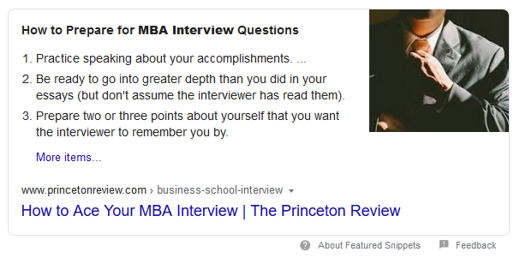
 | poets and quants mba rankings | 5 | 101-200
 | executive mba interview questions | 5 | 101-200
 | stanford mba requirements | 5 | 101-200
 | sample mba recommendation letter harvard | 5 | 51-100
 | application consulting group | 5 | 51-100
 | columbia deferred mba | 5 | 51-100
 | mba letter of recommendation | 5 | 51-100
 | mba recommendation letter | 5 | 51-100
 | admissionado | 5 | 51-100
 | best mba resume examples | 5 | 51-100
 | mba application rounds | 5 | 51-100
 | mba applications | 5 | 51-100
 | princeton business school | 5 | 51-100
 | stanford online mba | 5 | 51-100
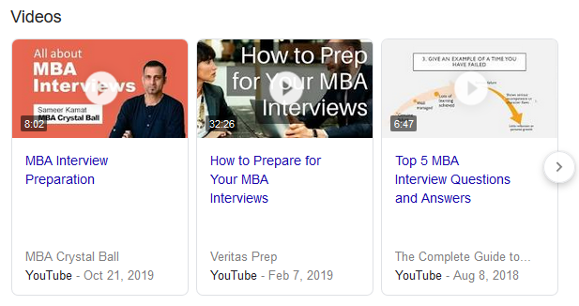
 | columbia university mba requirements | 5 | 11-50
 | mba resume template | 5 | 11-50
 | uris hall columbia | 5 | 11-50
 | mba resume examples | 5 | 11-50
 | average gpa for mba graduates | 5 | 11-50
 | columbia mba application deadline | 5 | 11-50
 | mba consultants | 5 | 11-50
 | usc mba acceptance rate | 5 | 11-50
 | columbia business school requirements | 5 | 11-50
 | columbia executive mba cost | 5 | 11-50
 | columbia financial economics | 5 | 11-50
 | columbia j term | 5 | 11-50
 | how to go to business school | 5 | 11-50
 | letter of recommendation for mba from manager | 5 | 11-50
 | mba admissions process | 5 | 11-50
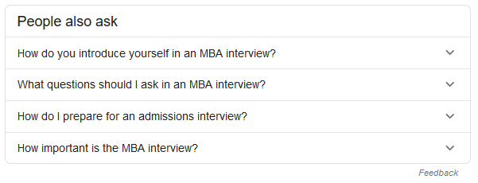
 | mba graduate resume summary | 5 | 11-50
 | mba recommendation letter sample | 5 | 11-50
 | mba resume pdf | 5 | 11-50
 | stacy blackman consulting reviews | 5 | 11-50
 | tata hall rooms | 5 | 11-50
 | top mba admissions consultants | 5 | 11-50
 | best mba consultants | 5 | 11-50
 | columbia business school majors | 5 | 11-50
 | executive mba columbia | 5 | 11-50
 | fortuna admissions | 5 | 11-50
 | mba admissions | 5 | 11-50
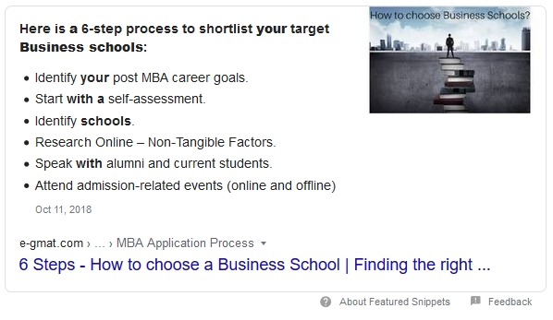
 | mba application resume sample | 5 | 11-50
 | which mba is right for me | 5 | 11-50
 | columbia executive mba | 5 | 11-50
 | harvard mba average gpa | 5 | 11-50
 | how to write mba on resume | 5 | 11-50
 | mba admissions calculator | 5 | 11-50
 | mba interview questions and answers | 5 | 11-50
 | stanford mba online | 5 | 11-50
 | tutor responsibilities resume | 5 | 11-50
 | 780 gmat rejected | 5 | 0-10
 | cbs business school | 5 | 0-10
 | harvard mba resume | 5 | 0-10
 | mba recommendation letter examples | 5 | 0-10
 | sustainable business strategy harvard | 5 | 0-10
 | undergraduate business schools in nyc | 5 | 0-10
 | yale som recommendation questions | 5 | 0-10
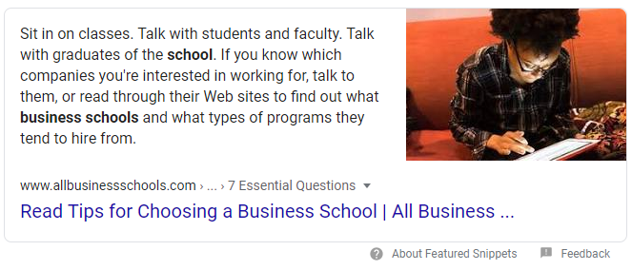
 | 3022 broadway | 5 | 0-10
 | 770 gmat rejected | 5 | 0-10
 | best essay editing service | 5 | 0-10
 | best small business schools | 5 | 0-10
 | best time to apply for mba | 5 | 0-10
 | business school rankings europe | 5 | 0-10
 | columbia business school notable alumni | 5 | 0-10
 | columbia business school programs | 5 | 0-10
 | columbia master programs business | 5 | 0-10
 | columbia mba classes | 5 | 0-10
 | columbia mba tour | 5 | 0-10
 | harvard mba recommendation letter | 5 | 0-10
 | harvard opm acceptance rate | 5 | 0-10
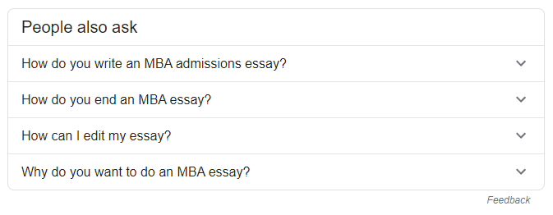
 | hbs 2020 | 5 | 0-10
 | hbs alumni new venture competition | 5 | 0-10
 | hbs leadership | 5 | 0-10
 | hbs recommendation | 5 | 0-10
 | how to edit a college essay | 5 | 0-10
 | how to get into columbia business school | 5 | 0-10
 | fortuna admissions | 5 | 0-10
 | leading professional service firms | 5 | 0-10
 | mba admissions consulting rankings | 5 | 0-10
 | mba admissions consulting reddit | 5 | 0-10
 | mba admissions deadlines | 5 | 0-10
 | mba admissions forum | 5 | 0-10
 | mba advisors | 5 | 0-10
 | mba application consultants | 5 | 0-10
 | mba application resume examples | 5 | 0-10
 | mba application resume template | 5 | 0-10
 | mba candidate resume | 5 | 0-10
 | mba graduate resume | 5 | 0-10
 | mba interview questions and answers pdf | 5 | 0-10
 | mba letters of recommendation | 5 | 0-10
 | mba letters of recommendation that rock | 5 | 0-10
 | mba resume format | 5 | 0-10
...

Med School
...
 | Other Keywords | Relevancy | Est. Range
 | medical school personal statement examples | 5 | 851-1700
 | medical school application | 5 | 851-1700
The most common SERP feature that could take away clicks from the traditional results is the PPC ad. In many cases they appears above and/or below the main listings. There were a few other instances of People Also Ask, which is great insight into popular queries that people want to see content for (examples below). It's not shown very often overall, one site was able to capture a Featured Snippet for the medical school interview keyword. And there was one instance of Google showing a Video Carousel for "medical school application review". These last two examples indicate how you might be able to format you're content to obtain the same results. | med school application timeline | 5 | 851-1700
 | 2020 mcat dates | 5 | 851-1700
 | personal statement medical school | 5 | 851-1700
 | aamc medical school application | 5 | 501-850
 | med school insiders | 5 | 501-850
 | amcas application login | 5 | 501-850
 | medical school application timeline | 5 | 501-850
 | medical school timeline | 5 | 501-850
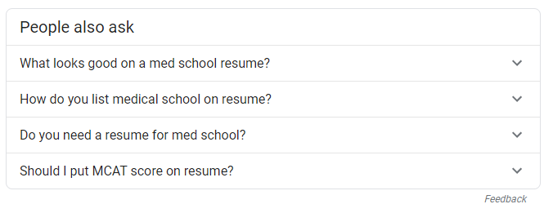
 | amcas twitter | 5 | 501-850
 | medical schools in new york | 5 | 501-850
 | medical schools in north carolina | 5 | 501-850
 | list of medical schools | 5 | 201-500
 | medical school interview | 5 | 201-500
 | solomon admissions consulting | 5 | 201-500
 | med school personal statement | 5 | 201-500
 | med school interview | 5 | 201-500
 | letter of recommendation for medical school | 5 | 201-500
 | medical school letter of recommendation | 5 | 201-500
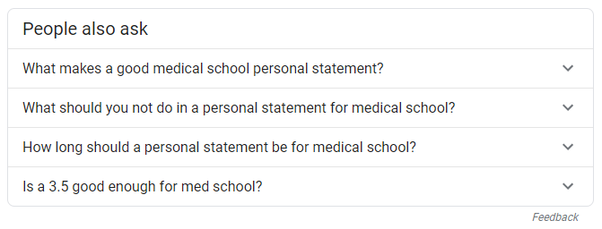
 | amcas msar | 5 | 201-500
 | amcas letter of recommendation | 5 | 201-500
 | med school personal statement examples | 5 | 201-500
 | medical school personal statement reddit | 5 | 201-500
 | medical student cv | 5 | 201-500
 | applying to medical school | 5 | 201-500
 | personal statement examples medical school | 5 | 201-500
 | medical school recommendation letter | 5 | 201-500
 | cv medical | 5 | 201-500
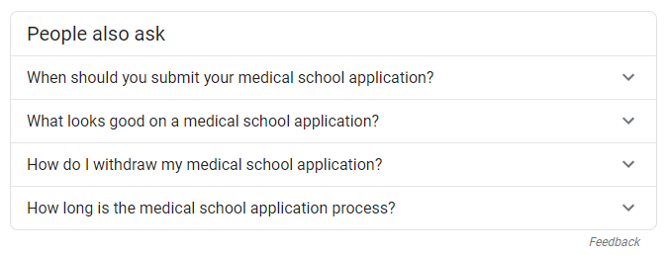
 | personal statement medical school examples | 5 | 201-500
 | amcas personal statement | 5 | 201-500
 | texas medical school application | 5 | 201-500
 | what is medical school | 5 | 201-500
 | how to prepare for medical school interview | 5 | 101-200
 | medical school application timeline 2020 | 5 | 101-200
 | medical school letters of recommendation | 5 | 101-200
 | medical doctor degree | 5 | 101-200
 | when does medical school start | 5 | 101-200
 | when do med school applications open | 5 | 101-200
 | fellowship cv | 5 | 101-200
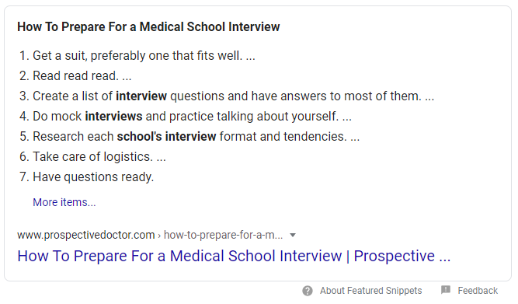
 | cv for medical school application | 5 | 101-200
 | how many volunteer hours for medical school | 5 | 101-200
 | personal statement med school | 5 | 101-200
 | adversity essay medical school example | 5 | 101-200
 | med school coach | 5 | 101-200
 | med school interview outfit | 5 | 101-200
 | secondary application medical school | 5 | 101-200
 | medical school interview attire | 5 | 101-200
 | how to write a personal statement for medical school | 5 | 101-200
 | aacomas application timeline | 5 | 101-200
 | sample letter of recommendation for medical school from doctor | 5 | 101-200
 | residency cv | 5 | 101-200
 | amcas advisor portal | 5 | 101-200
 | personal statement for medical school | 5 | 101-200
 | amcas deadlines | 5 | 101-200
 | medical school application deadlines | 5 | 101-200
 | when are med school applications due | 5 | 101-200
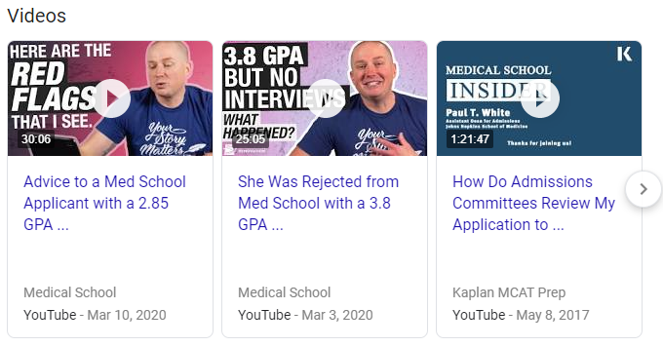
 | aamc application deadline | 5 | 101-200
 | med school tutors | 5 | 101-200
 | solomon admissions consulting reviews | 5 | 101-200
 | last day to take mcat for 2020 cycle | 5 | 101-200
 | how important is volunteering for medical school | 5 | 51-100
 | amcas personal statement length | 5 | 51-100
 | med school application deadline | 5 | 51-100
 | amcas verification | 5 | 51-100
 | amcas verification timeline | 5 | 51-100
 | amcas letters of recommendation | 5 | 51-100
 | medical student resume | 5 | 51-100
 | what to bring to med school interview | 5 | 51-100
 | medical school personal statement examples pdf | 5 | 51-100
 | when to apply to medical school | 5 | 51-100
 | aamc medical schools | 5 | 51-100
 | medical student cv pdf | 5 | 51-100
 | medical resident cv | 5 | 51-100
 | medical school cv | 5 | 51-100
 | medical school interview prep | 5 | 51-100
 | what to bring to medical school interview | 5 | 51-100
 | med school interview reddit | 5 | 51-100
 | medical school personal statement prompt | 5 | 51-100
 | medical school application photo | 5 | 51-100
 | recommendation letter for medical school | 5 | 51-100
 | medical school recommendation letter sample | 5 | 51-100
 | letter of recommendation medical school | 5 | 51-100
...

Law School
...
Other Keywords | Relevancy | Est. Range
lsat registration | 5 | 851-1700
reddit law school admissions | 5 | 851-1700
law school personal statement examples | 5 | 851-1700
law school predictor | 5 | 851-1700
harvard law school acceptance rate | 5 | 851-1700
law school application deadlines | 5 | 851-1700
7sage predictor | 5 | 501-850
best law schools in the world | 5 | 501-850
how long does law school take | 5 | 501-850
law school resume | 5 | 501-850
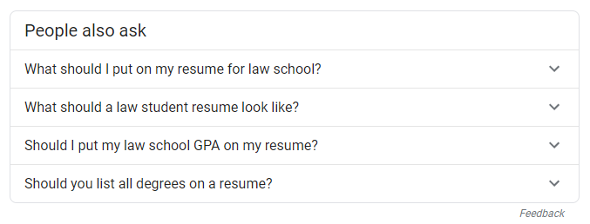
law school acceptance calculator | 5 | 501-850
how much does law school cost | 5 | 501-850
law school admissions | 5 | 501-850
law school admissions calculator | 5 | 501-850
how long does it take to get a law degree | 5 | 501-850
law school transparency | 5 | 501-850
law school admission council | 5 | 201-500
spivey consulting | 5 | 201-500
7sage law school predictor | 5 | 201-500
lsat login | 5 | 201-500
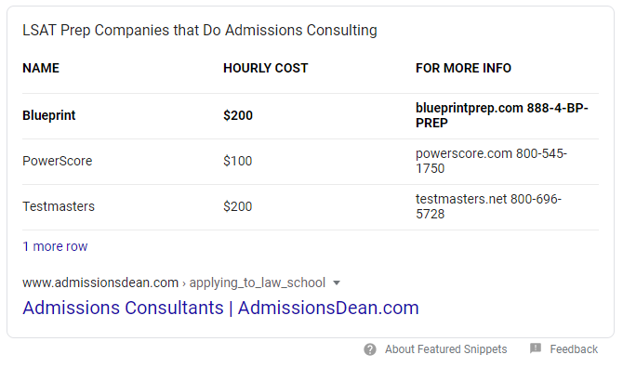
personal statement law school | 5 | 201-500
register for lsat | 5 | 201-500
law school application timeline | 5 | 201-500
best law schools in florida | 5 | 201-500
lsac phone number | 5 | 201-500
lawyer resume | 5 | 201-500
harvard resume | 5 | 201-500
best law schools in california | 5 | 201-500
my lsn | 5 | 201-500
lsat scores by school | 5 | 201-500
top law schools forum | 5 | 201-500
best law school personal statement examples | 5 | 201-500
gpa to get into law school | 5 | 201-500
law school application | 5 | 201-500
law school by the numbers | 5 | 201-500
law school letter of recommendation | 5 | 201-500
lsat gpa calculator | 5 | 101-200
lsac letter of recommendation | 5 | 101-200
lsat score report | 5 | 101-200
harvard law school admissions | 5 | 101-200
personal statement law school examples | 5 | 101-200
law school gpa | 5 | 101-200
when to apply to law school | 5 | 101-200
applying to law school | 5 | 101-200
law school admissions council | 5 | 101-200
law school application resume | 5 | 101-200
when do law school applications open | 5 | 101-200
...

Grad School
...
 | Other Keywords | Relevancy | Est. Range
Apart from the traditional organic search results, the most common SERP feature are Search Ads. This is a highly competitive space with ads appearing at the top and bottom of SERPs. There are a few instances of the "People Also Ask" feature, which can be a source of inspiration for content on your site. A couple Featured Snippets also appear, both showing a list in the snippet. The first is a structured list, i.e. "how to" step-by-step process and linking to that blog post for the keyword "how to choose a grad school." The other Featured Snippet, actually a double F.S. pulls two bullet list articles related to the most popular interview questions asked. Again, the underlying principal is to study these top results, understand what the content is, and how it is built in order to craft content that's better and overtake that F.S. | when to apply to grad school | 5 | 101-200
 | letters of recommendation for grad school | 5 | 101-200
 | grad school resume examples | 5 | 101-200
 | what is graduate school vs college | 5 | 101-200
 | when to apply for grad school | 5 | 101-200
 | applying to graduate school | 5 | 101-200
 | grad school application timeline | 5 | 101-200
 | grad school cv example | 5 | 101-200
 | personal statement examples for graduate school education | 5 | 101-200
 | grad school finder | 5 | 101-200
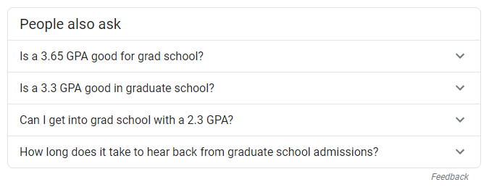
 | graduate school resume examples | 5 | 101-200
 | how to ask a professor for a letter of recommendation for grad school | 5 | 101-200
 | sample recommendation letter for graduate school from professor | 5 | 101-200
 | how to get letters of recommendation when you've been out of school | 5 | 101-200
 | sample letter of recommendation for graduate school | 5 | 101-200
 | when are grad school applications due | 5 | 101-200
 | graduate school application timeline | 5 | 101-200
 | research cv | 5 | 101-200
 | sample cv for graduate school admission | 5 | 101-200
 | who can write a letter of recommendation | 5 | 101-200
 | grad school interview outfit | 5 | 101-200
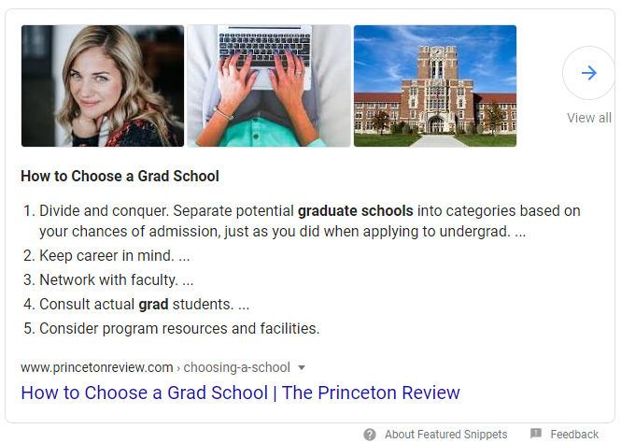
 | graduate school interview questions | 5 | 101-200
 | graduate school resume template | 5 | 101-200
 | sample recommendation letter for graduate student | 5 | 101-200
 | questions to ask grad school interview | 5 | 101-200
 | what do grad schools look for | 5 | 101-200
 | free sample essay for graduate school admission | 5 | 51-100
 | how to apply to grad school | 5 | 51-100
 | how to pick a grad school | 5 | 51-100
 | applying to grad school | 5 | 51-100
 | grad school rankings | 5 | 51-100
 | graduate school essay format | 5 | 51-100
 | graduate student cv | 5 | 51-100
 | ivy league consulting | 5 | 51-100
 | who should write letters of recommendation for grad school | 5 | 51-100
 | writing a cv for grad school | 5 | 51-100
 | applying for grad school | 5 | 51-100
 | graduate school application | 5 | 51-100
 | graduate school resume builder | 5 | 51-100
 | personal statement for graduate school sample essays | 5 | 51-100
 | recommendation letter for graduate school sample | 5 | 51-100
 | sample letter of recommendation for graduate school from employer pdf | 5 | 51-100

 | sample letter of recommendation for graduate school from supervisor | 5 | 51-100
 | why i want to go to graduate school essay sample | 5 | 51-100
 | grad school resume template | 5 | 51-100
 | how to write a letter of recommendation for graduate school | 5 | 51-100
 | who can write letters of recommendation | 5 | 51-100
 | graduate school essay sample | 5 | 51-100
 | graduate school letter of recommendation template | 5 | 51-100
 | sample letter of recommendation for graduate school from employer | 5 | 51-100
 | spivey consulting price | 5 | 51-100
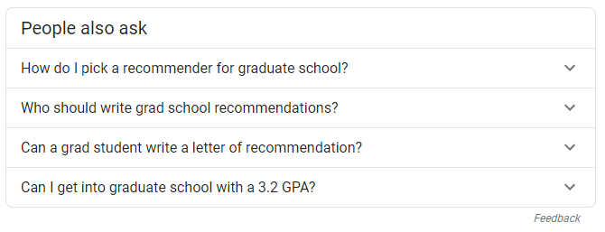
 | usc grad school acceptance rate | 5 | 51-100
 | when do grad school applications open | 5 | 51-100
 | 3 letters of recommendation | 5 | 11-50
 | cv for graduate school application | 5 | 11-50
 | grad school letter of recommendation sample | 5 | 11-50
 | when do you apply to grad school | 5 | 11-50
 | when does grad school start | 5 | 11-50
 | who to ask for a letter of recommendation | 5 | 11-50
 | academic cv template for phd application | 5 | 11-50
 | applying for masters program | 5 | 11-50
 | best personal statements | 5 | 11-50
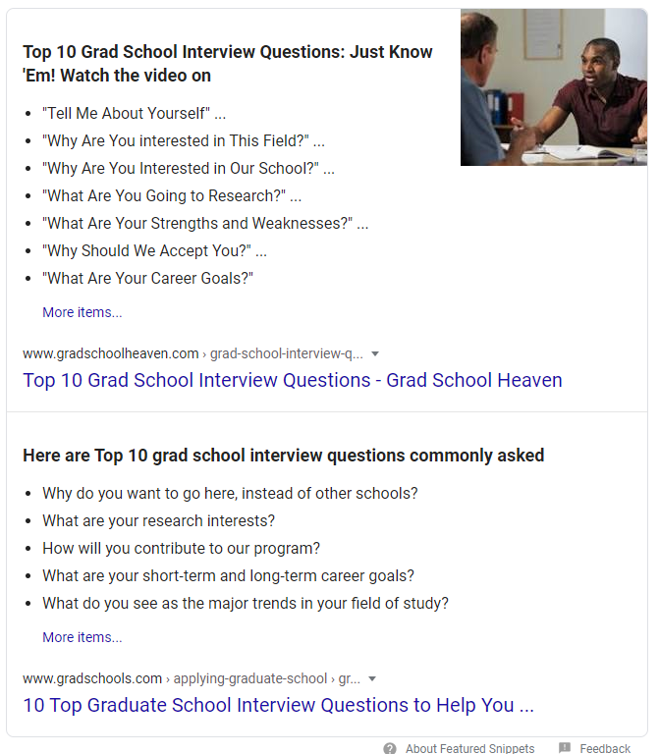
 | grad school resume reddit | 5 | 11-50
 | graduate school objective statement examples | 5 | 11-50
 | graduate school resume templates | 5 | 11-50
 | how to evaluate graduate programs | 5 | 11-50
 | phd letter of recommendation | 5 | 11-50
 | reference letter for graduate school from employer | 5 | 11-50
 | residency personal statement writing service | 5 | 11-50
 | when should you apply to grad school | 5 | 11-50
 | grad school admissions | 5 | 11-50
 | sample letter of recommendation for graduate school from coworker pdf | 5 | 11-50
 | slp grad school resume | 5 | 11-50
 | what do you do in graduate school | 5 | 11-50
 | when do i apply for grad school | 5 | 11-50
 | writing a letter of recommendation for grad school | 5 | 11-50
 | application for graduate school | 5 | 11-50
 | can you start grad school in the spring | 5 | 11-50
 | cv examples for grad school | 5 | 11-50
 | cv for phd application sample | 5 | 11-50
 | do graduate schools check resume | 5 | 11-50
 | grad school acceptance dates | 5 | 11-50
 | grad school personal statement length | 5 | 11-50
 | grad school phone interview | 5 | 11-50
 | grad school resume vs job resume | 5 | 11-50
 | graduate interview questions | 5 | 11-50
 | graduate school essay outline | 5 | 11-50
 | graduate school timeline checklist | 5 | 11-50
 | how many letters of recommendation for grad school | 5 | 11-50
 | how to choose a grad school reddit | 5 | 11-50
 | how to find a grad school | 5 | 11-50
 | how to stand out in grad school application | 5 | 11-50
 | letter of recommendation from professor for masters degree | 5 | 11-50
 | masters essay example | 5 | 11-50
 | mfa letter of recommendation example | 5 | 11-50
 | recommendation letter for phd admission pdf | 5 | 11-50
 | research cv template | 5 | 11-50
 | sample letter of recommendation for graduate school from mentor | 5 | 11-50
 | science graduate cv example | 5 | 11-50
 | strengths and weaknesses for graduate school | 5 | 11-50
 | when are most grad school applications due | 5 | 11-50
 | when does graduate school start | 5 | 11-50
 | when should i apply to grad school | 5 | 11-50
 | when to apply to graduate school | 5 | 11-50
 | when to apply to masters programs | 5 | 11-50
 | when to start applying for grad school | 5 | 11-50
 | where should i apply to grad school | 5 | 11-50
...

